Fischer_2022
Effects of combining physical activity with mindfulness on mental health and well-being: A systematic review
Data extraction

General information
Citation | Fischer, J.M.; Kandil, F.-I.; Kessler, C.S.; Nayeri, L.; Zager, L.S.; Rocabado Hennhöfer, T.; Steckhan, N.; Koppold-Liebscher, D.A.; Bringmann, H.C.; Schäfer, T.; et al. Stress Reduction by Yoga versus Mindfulness Training in Adults Suffering from Distress: A Three- Armed Randomized Controlled Trial including Qualitative Interviews (RELAX Study). J. Clin. Med. 2022, 11, 5680. https://doi.org/10.3390/ jcm11195680 |  |  | Data extracted by | Masha
Corresponding author details | jan-moritz.fischer@charite.de |  |  | Date | 2023-08-10
Study aims | the present study investigates the extent to which the above- mentioned relaxation methods differ from one another in their effects. Of particular interest is whether there are indications of a special effectiveness when physical exercises are combined with mental mindfulness exercises. We also examine whether stress reduction, along with any other effects, differentially affects quality of life. In doing so, we assume an increased effectiveness depending on the number of potential effect factors of each method. To adequately map the broader, multifaceted effects of integrative yoga, Iyengar yoga, and mindfulness training, we also conducted qualitative interviews. |  |  | Data checked by
Study design | single-center, three-arm, randomized, controlled clinical trial com- bined with qualitative interviews |  |  | Date

Participants & setting
Total N | 102
Population/pathology/condition | adults with elevated stress levels and stress-related symptoms
Intervention group participants
N | 35
Age | 46
Gender | 31 female (88.6%)
Control group participants (PA only)
N | 33
Age | 48.4
Gender | 28 female (88.6%)
Control group participants (M only)
N | 34
Age | 45.7
Gender | 32 female (94.1%)
Setting
Context | University hospital and local yoga studios
Location | Berlin, Germany
Study criteria
Inclusion criteria | Age 18–65 years Subjectively perceived stress ≥ 4 out of 10 on a numeric analog scale for ≥1 month At least 3 of the following 8 stress symptoms: sleep disorder, inappetence or increased appetite, shoulder neck tension/back pain, tension headache, concentration disorder, exhaustion, nervousness/irritability,stress-associated digestive problems
Exclusion criteria | Pregnancy or breastfeeding Serious acute or chronic illness Serious mental illness Immobility/limitation for gymnastic exercises due to orthopedic, neurological, or other medical reason Participation in another study
Review criteria
Participants mean age 18-65 | Y | Longitudinal intervention | Y
Intervention with M+PA components | Y | Includes purposeful teaching of mindfulness | Y
Control condition present | Y
WB/MH outcomes | Y

Intervention & control
Intervention condition
Description | Participants in group 1 received an established integrative yoga program in the sense of a “Whole Medical System”. “Whole Medical System” refers to an independent, com- prehensive, and self-contained philosophy about health, including an owned (medical) practice [62]. Classes contained meditation and relaxation techniques, as well as the exercise of yoga postures (asanas), breathing techniques (pranayama), and ethical/philosophical as- pects of yoga (Supplementary Materials: Standard Operating Procedures-Integrative Yoga Practice). The methods and content could also be tailored specifically to the individuals’ wishes and needs to further reflect the idea of integrative yoga [55]. Therefore, the opera- tionalization was supposed to reflect the inherent adaptability of yoga practice [51,52,63]. The integration and combination of the individual contents of yoga was to allow for a concentration of positive effects.
Group/individual | Group
Digital/in person | In person (switched to online due to COVID)
Duration | 90 min/session
Frequency | 12 wks / 1x pw / 90 min
Content: mindfulness | contained meditation and relaxation techniques, as well as the exercise of yoga postures (asanas), breathing techniques (pranayama), and ethical/philosophical as- pects of yoga
Content: exercise | contained meditation and relaxation techniques, as well as the exercise of yoga postures (asanas), breathing techniques (pranayama), and ethical/philosophical as- pects of yoga
Content: additional
BCTs (Michie et al., 2011) | NR
Notes
Control condition (PA only)
Type | PA only
Description | The participants of group 2 received an established yoga program based on the internationally renowned yoga school of B.K.S. Iyengar [56]. Classes focused on the physical aspects of yoga and did not entail meditation or the ethical and philosophical aspects of yoga. They focused on executions of yoga postures (asanas) and a final relaxation (Shavasana; Supplementary Materials: Standard Operating Procedures—Iyengar Yoga Practice). In accordance with the teachings of B.K.S. Iyengar, assistive devices could be used when practicing yoga postures.
Content | 12 wks / 1x pw / 90 min; yoga with pure physical focus (no breathing or spiritual elements)
Notes
Control condition (M only)
Type | M only
Description | The participants in group 3 received mindfulness training on healthy stress manage- ment by a trained psychologist. The program was based on the principles of Mindfulness- Based Stress Reduction (MBSR) by Kabat-Zinn [64], but was expanded to 12 weeks to match the other two intervention groups. In addition, the “mindful stretching” portion included in the original program by Kabat-Zinn was omitted. The classes included mindfulness- based meditation and practical strategies for stress management (Supplementary Materials: Standard Operating Procedures—Mindfulness Training). The main goal was to improve the perception of inner processes and needs by practicing a conscious, moment-oriented, and open attitude. This was supposed to enable an early and adequate response to stress, and, thus, reduce perceived stress in general [65].
Content | 12 wks / 1x pw / 90 min; MBSR-based mindfulness incl. focused awareness and breathing exercises, omitted minduful stretching to have no movement at all
Notes

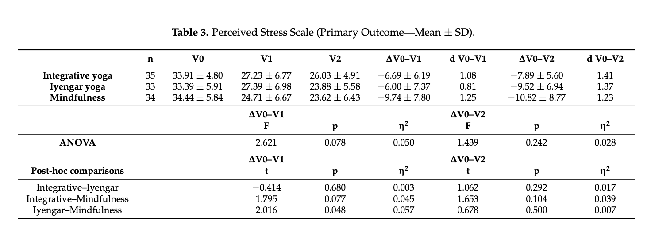
Outcomes: Wellbeing and mental health
Outcome category | Stress
Measure/questionnaire | PSS
Results | Description | Mean difference (SD/SE) | p value
 | The primary outcome, PSS, decreased similarly post-intervention in all groups. Effect sizes ranged from large (Cohen’s d = 1.08 integrative; d = 0.81 Iyengar) to very large (d = 1.25 mindfulness). Effect sizes were very large in all groups after the end of the follow-up period, and ranged from d = 1.23 mindfulness to d = 1.41 integrative (Table 3; Figure 3). There were no significant differences between groups except for a superiority of mindfulness training over Iyengar yoga from V0 to V1 (p = 0.048; η2 = 0.057). Differences from V0 to V2 were not statistically significant between all groups | See Table 3 | F = 2.62, p = 0.078, η2 = 0.05 (T0-T1) F = 1.44, p = 0.242, η2 = 0.03 (T1-T2)
Effect size | Cohen’s d = 1.08 integrative (T0-T1) d = 1.41 integrative (T1-T2) |  | n.s. between groups, but large/very large improvements in all groups
Statistical methods | The data collected were analyzed using SPSS 25. Outliers were supposed to be identified by visually checking raw boxplots. No data were excluded as a result. Missing values were imputed (MICE algorithm). Descriptive statistics were applied to present the sample characteristics. To test the hypotheses that integrative yoga is superior to Iyengar yoga and mindfulness training in terms of stress reduction and health-related quality of life, individual differences (gains) were first calculated, followed by a single-factor analysis of variance. As the number of 34 patients in each group was larger than 30, the distribution of the data was assumed to be asymptotically normal. Results are given as F, p, and eta2 effect sizes (with small, medium, and large effects assessed for eta2 ≥ 0.01, 0.06, and 0.14, respectively). Multiple t-tests were employed in an exploratory manner to present changes (gains) within each of the three groups separately. Results here are given as T, p, and effect-size Cohen’s d (with small, medium, and large effects assessed for Cohen’s d ≥ 0.20, 0.50, and 0.80, respectively (Cohen and Sawilowsk [99,100]). All statistical analyses were performed as intention-to-treat analyses.
Outcome category | Depression
Measure/questionnaire | HADS
Results | Description | Mean difference (SD/SE) | p value
 | For secondary outcomes, we observed large effects in terms of decreases on the exhaustion subscale of the Maslach Burnout Inventory (d 0.80 integrative; 0.94 Iyengar; haustion subscale of the Maslach Burnout Inventory (dVV0–0V–2V02.80 integrative; 0.94 Iyengar; 1.13 mindfulness), with a statistically significant superiority of mindfulness meditation over 1.13 mindfulness), with a statistically significant superiority of mindfulness meditation over integrative yoga post-intervention (pV0–V1 = 0.044) and after follow-up (pV0–V2 = 0.017;; Figure 4). Large effect sizes were also observed for an improvement on the mental component summary score of the quality-of-life questionnaire, SF-36 (dV0–V2 1.13 integrative; 0.74 Iyengar; 0.81 mindfulness; Figure 5). Physical well-being (B-LR) improved with large-to-very-large effect size in all groups (dV0–V2 1.34 integrative; 1.28 Iyengar; 1.13 mindfulness; Figure 6). Mindfulness (FMI) increased with borderline-large-to-large effect sizes (0.73 integrative; 0.81 Iyengar; 0.73 mindfulness; Figure 7). Both subscales of the Hospital in all groups (dV0–V2 0.73 integrative; 0.81 Iyengar; 0.73 mindfulness; Figure 7). Both subscales of the Hospital Anxiety and Depression Scale (HADS) improved in all groups with moderate-to-large effect sizes (subscale anxiety: dV0–V2 0.89 integrative, 0.79 Iyengar, 0.92 mindfulness, Figure 8; subscale depression: dV0–V2 0.71 integrative, 1.05 Iyengar, 0.68 mindfulness, Figure 9). | See supplementary materials | Between-groups n.s.
Effect size | Mod-to-large ES in all groups: INT p<.001, PA p<.05, M p<.05
Statistical methods | The data collected were analyzed using SPSS 25. Outliers were supposed to be identified by visually checking raw boxplots. No data were excluded as a result. Missing values were imputed (MICE algorithm). Descriptive statistics were applied to present the sample characteristics. To test the hypotheses that integrative yoga is superior to Iyengar yoga and mindfulness training in terms of stress reduction and health-related quality of life, individual differences (gains) were first calculated, followed by a single-factor analysis of variance. As the number of 34 patients in each group was larger than 30, the distribution of the data was assumed to be asymptotically normal. Results are given as F, p, and eta2 effect sizes (with small, medium, and large effects assessed for eta2 ≥ 0.01, 0.06, and 0.14, respectively). Multiple t-tests were employed in an exploratory manner to present changes (gains) within each of the three groups separately. Results here are given as T, p, and effect-size Cohen’s d (with small, medium, and large effects assessed for Cohen’s d ≥ 0.20, 0.50, and 0.80, respectively (Cohen and Sawilowsk [99,100]). All statistical analyses were performed as intention-to-treat analyses.
Outcome category | Anxiety
Measure/questionnaire | HADS
Results | Description | Mean difference (SD/SE) | p value
 | For secondary outcomes, we observed large effects in terms of decreases on the exhaustion subscale of the Maslach Burnout Inventory (d 0.80 integrative; 0.94 Iyengar; haustion subscale of the Maslach Burnout Inventory (dVV0–0V–2V02.80 integrative; 0.94 Iyengar; 1.13 mindfulness), with a statistically significant superiority of mindfulness meditation over 1.13 mindfulness), with a statistically significant superiority of mindfulness meditation over integrative yoga post-intervention (pV0–V1 = 0.044) and after follow-up (pV0–V2 = 0.017;; Figure 4). Large effect sizes were also observed for an improvement on the mental component summary score of the quality-of-life questionnaire, SF-36 (dV0–V2 1.13 integrative; 0.74 Iyengar; 0.81 mindfulness; Figure 5). Physical well-being (B-LR) improved with large-to-very-large effect size in all groups (dV0–V2 1.34 integrative; 1.28 Iyengar; 1.13 mindfulness; Figure 6). Mindfulness (FMI) increased with borderline-large-to-large effect sizes (0.73 integrative; 0.81 Iyengar; 0.73 mindfulness; Figure 7). Both subscales of the Hospital in all groups (dV0–V2 0.73 integrative; 0.81 Iyengar; 0.73 mindfulness; Figure 7). Both subscales of the Hospital Anxiety and Depression Scale (HADS) improved in all groups with moderate-to-large effect sizes (subscale anxiety: dV0–V2 0.89 integrative, 0.79 Iyengar, 0.92 mindfulness, Figure 8; subscale depression: dV0–V2 0.71 integrative, 1.05 Iyengar, 0.68 mindfulness, Figure 9). | See supplementary materials | Between-groups n.s.
Effect size | Mod-to-large ES in all groups: INT p<.001, PA p<.001, M p<.001
Statistical methods | The data collected were analyzed using SPSS 25. Outliers were supposed to be identified by visually checking raw boxplots. No data were excluded as a result. Missing values were imputed (MICE algorithm). Descriptive statistics were applied to present the sample characteristics. To test the hypotheses that integrative yoga is superior to Iyengar yoga and mindfulness training in terms of stress reduction and health-related quality of life, individual differences (gains) were first calculated, followed by a single-factor analysis of variance. As the number of 34 patients in each group was larger than 30, the distribution of the data was assumed to be asymptotically normal. Results are given as F, p, and eta2 effect sizes (with small, medium, and large effects assessed for eta2 ≥ 0.01, 0.06, and 0.14, respectively). Multiple t-tests were employed in an exploratory manner to present changes (gains) within each of the three groups separately. Results here are given as T, p, and effect-size Cohen’s d (with small, medium, and large effects assessed for Cohen’s d ≥ 0.20, 0.50, and 0.80, respectively (Cohen and Sawilowsk [99,100]). All statistical analyses were performed as intention-to-treat analyses.
Outcome category | QoL
Measure/questionnaire | SF-36
Results | Description | Mean difference (SD/SE) | p value
 | For secondary outcomes, we observed large effects in terms of decreases on the exhaustion subscale of the Maslach Burnout Inventory (d 0.80 integrative; 0.94 Iyengar; haustion subscale of the Maslach Burnout Inventory (dVV0–0V–2V02.80 integrative; 0.94 Iyengar; 1.13 mindfulness), with a statistically significant superiority of mindfulness meditation over 1.13 mindfulness), with a statistically significant superiority of mindfulness meditation over integrative yoga post-intervention (pV0–V1 = 0.044) and after follow-up (pV0–V2 = 0.017;; Figure 4). Large effect sizes were also observed for an improvement on the mental component summary score of the quality-of-life questionnaire, SF-36 (dV0–V2 1.13 integrative; 0.74 Iyengar; 0.81 mindfulness; Figure 5). Physical well-being (B-LR) improved with large-to-very-large effect size in all groups (dV0–V2 1.34 integrative; 1.28 Iyengar; 1.13 mindfulness; Figure 6). Mindfulness (FMI) increased with borderline-large-to-large effect sizes (0.73 integrative; 0.81 Iyengar; 0.73 mindfulness; Figure 7). Both subscales of the Hospital in all groups (dV0–V2 0.73 integrative; 0.81 Iyengar; 0.73 mindfulness; Figure 7). Both subscales of the Hospital Anxiety and Depression Scale (HADS) improved in all groups with moderate-to-large effect sizes (subscale anxiety: dV0–V2 0.89 integrative, 0.79 Iyengar, 0.92 mindfulness, Figure 8; subscale depression: dV0–V2 0.71 integrative, 1.05 Iyengar, 0.68 mindfulness, Figure 9). | See supplementary materials | Between-groups n.s. (both subscales)
...

Henninger_2023
...
Outcomes: Wellbeing and mental health
 | Fat-free mass, the two WHO quality of life scores, and energy intake increased for all three intervention groups compared to the control. Moreover, YogaDance tended to reduce anthropometric and body composition measures more than mindful eating, which in turn led to larger improvements in mental quality of life and eating behavior; the combination of mindful eating and YogaDance to some extent captured both types of improvements. Results did not change notably after adjustment for physical activity alone or both energy intake and physical activity (Supplementary Tables S3 and S4). | INT vs control MD (CIs) physical QoL = 1.0 (−1.6, 3.6) | INT vs control, physical QoL p = .46
Effect size |  | mental QoL = 1.2 (−1.9, 4.3) | mental QoL p = .46
Statistical methods | Descriptive statistics of baseline characteristics for participants within each interven- tion or the control group were obtained using medians and interquartile ranges. Intention-to-treat (ITT) analyses were carried out based on all participants who were randomized. In the case of missing values, multiple imputation through chained equations was used based on 20 complete datasets. In this way, missing values were imputed using all variables in the datasets, exploiting correlations between variables to provide reasonable imputed values under the missing at random assumption [22]. ITT analyses provided results that may be interpreted as effects that would be seen in practice (“effectiveness”). In addition, complete-case analyses were carried out to obtain estimates that more closely reflected the best possible effects that may be achieved if participants adhered fully to the interventions (“efficacy”). An analysis of covariance (ANCOVA) was used to compare mindful eating, Yo- gaDance, and mindful eating and YogaDance combined to the control group (in total three pairwise comparisons) while including the baseline outcome level as a covariate. Additionally, ANCOVA models including both the baseline outcome and energy intake and physical activity at baseline as covariates were fitted. Model assumptions were assessed graphically by means of residual and QQ plots. Estimated mean differences between the three interventions and the control with corresponding 95% confidence intervals and p-values were reported (corresponding to three pairwise comparisons per outcome). For key results, estimated standardized effect sizes were also reported. The significance level was 0.05. Statistical analyses were conducted using the statistical software R (R Core Team, 2021). Multiple imputations were carried out using the R package “mice”. | within-group change NR | between groups n.s. in ITT analysis, but in per-protocol analysis INT vs control for mental QoL improved (MD 1.3 (0.02, 2.6), p = 0.047)
Outcomes: Physical activity
Outcome category | Self-reported PA
Measure/questionnaire | IPAQ
Results | Description | Mean difference (SD/SE) | p value
 | Only used as covariate - not reported separately
Effect size
Statistical methods | Descriptive statistics of baseline characteristics for participants within each interven- tion or the control group were obtained using medians and interquartile ranges. Intention-to-treat (ITT) analyses were carried out based on all participants who were randomized. In the case of missing values, multiple imputation through chained equations was used based on 20 complete datasets. In this way, missing values were imputed using all variables in the datasets, exploiting correlations between variables to provide reasonable imputed values under the missing at random assumption [22]. ITT analyses provided results that may be interpreted as effects that would be seen in practice (“effectiveness”). In addition, complete-case analyses were carried out to obtain estimates that more closely reflected the best possible effects that may be achieved if participants adhered fully to the interventions (“efficacy”). An analysis of covariance (ANCOVA) was used to compare mindful eating, Yo- gaDance, and mindful eating and YogaDance combined to the control group (in total three pairwise comparisons) while including the baseline outcome level as a covariate. Additionally, ANCOVA models including both the baseline outcome and energy intake and physical activity at baseline as covariates were fitted. Model assumptions were assessed graphically by means of residual and QQ plots. Estimated mean differences between the three interventions and the control with corresponding 95% confidence intervals and p-values were reported (corresponding to three pairwise comparisons per outcome). For key results, estimated standardized effect sizes were also reported. The significance level was 0.05. Statistical analyses were conducted using the statistical software R (R Core Team, 2021). Multiple imputations were carried out using the R package “mice”.
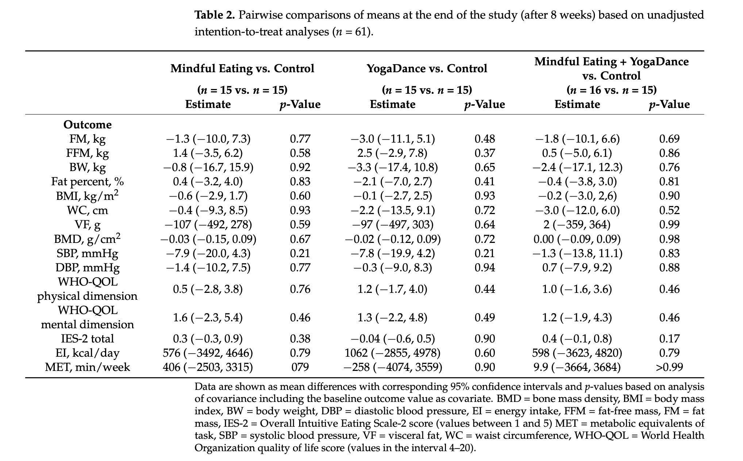
Other outcomes
Measure/questionnaire | Intuitive eating
Results | YogaDance tended to reduce anthropometric and body composition measures more than mindful eating, which in turn led to larger improvements in mental quality of life and eating behavior; the combination of mindful eating and YogaDance to some extent captured both types of improvements. ... INT vs EDU post-intervention, ITT analysis MD (CIs): 0.4 (−0.1, 0.8), p = 0.17
Measure/questionnaire | Fat mass
Results | Fat mass was reduced by 1.3 kg (95% CI [−7.3, 10.0] kg; p = 0.77), 3.0 kg (95% CI [−5.1, 11.1] kg; p = 0.48), and 1.8 kg (95% CI [−6.6, 10.1] kg; p = 0.69) for the mindful eating, YogaDance, and combined mindful eating and YogaDance interventions, respectively (Table 2). These reductions corresponded to effect sizes of 0.15, 0.34, and 0.21 for the mindful eating, YogaDance, and combined mindful eating and YogaDance interventions, respectively.
Measure/questionnaire | BMI
Results | Likewise, for body weight, BMI, waist circumference, and systolic blood pressure decreases were seen in all three intervention groups compared to the control group. (See Table 2)
Measure/questionnaire | waist circumference (& other physiological measures)
Results | Likewise, for body weight, BMI, waist circumference, and systolic blood pressure decreases were seen in all three intervention groups compared to the control group. (See Table 2)

Additional information
Ethical approval | approved by the Ethics Committee of the capital region of Denmark (in Danish: De Videnskabsetiske Komiteer for Region Hovedstaden) on 1 July 2021 with the protocol number H-21013705. Two additional protocol amendments were approved on 29 October 2021 and 9 December 2021.
Funding source | This research was supported by discretionary funds (F.M.) from the Department of Nutri- tion, Exercise and Sports (NEXS) at the University of Copenhagen (UCPH).
Conflicts of interest | The authors declare no conflict of interest.
Limitations (author) | The study has several limitations. The large drop-out, which is unevenly distributed across intervention groups, is a key limitation that may have led to selection bias. It seemed that participants preferred YogaDance over mindful eating. One explanation could be that the trial coincided partly with the last lockdown period in Denmark due to the SARS-CoV- 19 pandemic. The trial was initiated during the lockdown, but most restrictions had been lifted when the trial terminated. People may have preferred activities that involved more physical activity. The sample size would have needed to accommodate a higher drop-out rate (at least 40%) to ensure that sufficient participants would eventually complete the trial. However, it should be noted that the drop-out rate in this study is no different from what has been seen in the past for weight management trials [36,37]. Low compliance, which was different between intervention groups, is another key limitation as it may have introduced a selection bias. Moreover, it may dilute the effects of the interventions. It would have been useful to supervise daily training activities remotely, for instance, through online video meetings, to ensure high compliance. A too-low training load may also have diluted the benefits of the interventions. Specifically, a total of four mindful eating workshops with a duration of only 90 min and unsupervised daily training based on handout workbooks might have resulted in a low training intensity. It was a compromise, as participants were encouraged to do exercises at home as well. Monitoring participants’ training loads by means of %HR max, MET, or %VO2 peak would have enabled a more precise assessment of individual training loads, and it would also have allowed to adjust for differences in compliance between participants, which was not possible in the present study. There are also some additional limitations. The wide range used for some inclusion criteria such as age, BMI and waist circumference
Limitations (reviewer)

Hooker_2022
...
Intervention & control
Content: additional | diet recommendations (received by both groups)
BCTs (Michie et al., 2011) | NR
Notes
Control condition
Type | PA+AM
Description | Active Control Intervention Participants in the active con- trol condition received cognitive-behavioral-based methods for stress management, which drew on a standard-of-care weight loss program (Schwartz & Brownell, 2004). Active control participants also received instruction in progressive muscle relaxation (PMR) techniques. Exercise recommen- dations were similar across arms in amount of activity pre- scribed, but the active control condition received instruction in strength training with exercise bands rather than mind- ful walking practices. Didactic material such as discussion of societal issues concerning weight loss matched the time spent in each session with the mindfulness intervention arm. Active control participants also received home activities using course content to control for home practices in the mindfulness intervention arm. Active control participants received handouts and audio recordings with PMR instruc- tion for optional home practice. Registered dietitians led the active control intervention group sessions.
Content | PA recommendations for strength training (elastic bands); CBT strategies for stress reduction
Notes

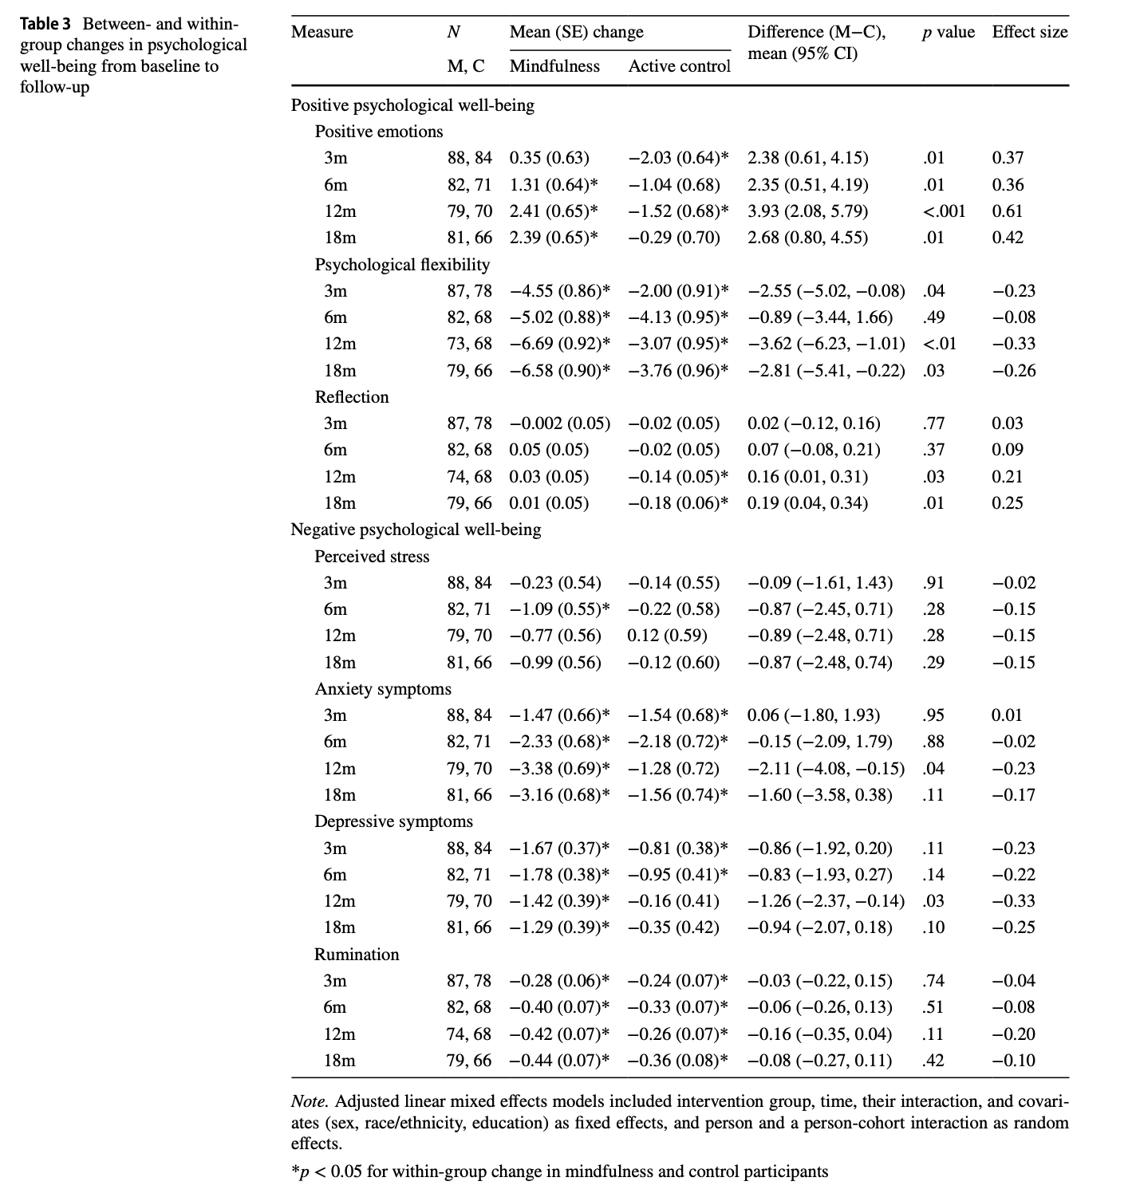
Outcomes: Wellbeing and mental health |  |  |  | Note: all extracted for 6 month timepoint (immediately post-intervention)
Outcome category | Depression
Measure/questionnaire | PHQ-9
Results | Description | Mean difference (SD/SE) | p value
 | Mind- fulness participants had greater reductions in depressive symptoms compared to control participants at 12 months. Notably, both sets of PHQ-9 score averages were well below the cutoff score for high risk for major depressive disorder (Table 1; Kroenke et al., 2001). ... For within-group analyses, participants in the mindful- ness intervention arm had significant decreases in perceived stress at 6 months, and significant decreases in anxiety and depressive symptoms, as well as rumination at each time point (Table 3 and Fig. 3). Control participants had signifi- cant decreases in anxiety symptoms at 3, 6, and 18 months, and decreases in depressive symptoms at 3 and 6 months, and rumination at each follow-up time point. Unadjusted models and sensitivity analyses demonstrated similar pat- terns of significance (Tables S3). |  | within-groups: both improved p<.05
Effect size |  | bet-groups MD (CIs): −0.83 (−1.93, 0.27) | between groups: p = .14, Cohen's d = -0.22
Statistical methods | Intention-to-treat analysis using observed data from all randomized participants examined between- and within- group changes from baseline to follow-up time points both during the intervention (3 months, mid-intervention) and post-intervention (6, 12, and 18 months post-baseline) for all psychological measures. The detailed protocol and pri- mary outcomes have been reported elsewhere (Daubenmier et al., 2016). Linear mixed effects models in STATA v16.1 predicted change in each measure from baseline to 3, 6, 12, and 18 months in separate models. Unadjusted linear mixed effects models included intervention group, time, and their interaction as fixed effects, and person nested within cohort as random effects to account for clustering in this independently randomized group treatment trial. Adjusted models additionally included sex, race/ethnicity, and educa- tion as fixed effects. A decision was made a priori to adjust for biological sex, race/ethnicity, and level of education. This approach was further warranted as a separate analysis evidenced subgroup differences in the primary outcome of the trial (weight loss) based on race/ethnicity and educa- tion level (Daubenmier et al., 2020). Adjusted models were compared with unadjusted models to ensure findings are not merely a consequence of covariate inclusion (Simmons et al., 2011). Effect sizes were quantified as Cohen’s d using standard deviations derived from our mixed model output (Hedges, 2007).
Outcome category | Anxiety
Measure/questionnaire | STAI
Results | Description | Mean difference (SD/SE) | p value
 | Mindfulness participants had significantly greater decreases in anxiety symptoms at 12 months and point estimates show- ing similar differences were non-significant at 18 months compared to control participants (Table 3 and Fig. 3). … For within-group analyses, participants in the mindful- ness intervention arm had significant decreases in perceived stress at 6 months, and significant decreases in anxiety and depressive symptoms, as well as rumination at each time point (Table 3 and Fig. 3). Control participants had signifi- cant decreases in anxiety symptoms at 3, 6, and 18 months, and decreases in depressive symptoms at 3 and 6 months, and rumination at each follow-up time point. Unadjusted models and sensitivity analyses demonstrated similar pat- terns of significance (Tables S3). |  | within-groups: both improved p<.05
Effect size |  | bet-groups MD (CIs): −0.15 (−2.09, 1.79) | between groups: p = .88, Cohen's d = -0.02
Statistical methods | Intention-to-treat analysis using observed data from all randomized participants examined between- and within- group changes from baseline to follow-up time points both during the intervention (3 months, mid-intervention) and post-intervention (6, 12, and 18 months post-baseline) for all psychological measures. The detailed protocol and pri- mary outcomes have been reported elsewhere (Daubenmier et al., 2016). Linear mixed effects models in STATA v16.1 predicted change in each measure from baseline to 3, 6, 12, and 18 months in separate models. Unadjusted linear mixed effects models included intervention group, time, and their interaction as fixed effects, and person nested within cohort as random effects to account for clustering in this independently randomized group treatment trial. Adjusted models additionally included sex, race/ethnicity, and educa- tion as fixed effects. A decision was made a priori to adjust for biological sex, race/ethnicity, and level of education. This approach was further warranted as a separate analysis evidenced subgroup differences in the primary outcome of the trial (weight loss) based on race/ethnicity and educa- tion level (Daubenmier et al., 2020). Adjusted models were compared with unadjusted models to ensure findings are not merely a consequence of covariate inclusion (Simmons et al., 2011). Effect sizes were quantified as Cohen’s d using standard deviations derived from our mixed model output (Hedges, 2007).
Outcome category | Stress
Measure/questionnaire | PSS
Results | Description | Mean difference (SD/SE) | p value
 |  |  | within-groups: INT improved p<.05, CON did not
Effect size |  | bet-groups MD (CIs): −0.87 (−2.45, 0.71) | between groups: p = .28. Cohen's d = - 0.15
Statistical methods | Intention-to-treat analysis using observed data from all randomized participants examined between- and within- group changes from baseline to follow-up time points both during the intervention (3 months, mid-intervention) and post-intervention (6, 12, and 18 months post-baseline) for all psychological measures. The detailed protocol and pri- mary outcomes have been reported elsewhere (Daubenmier et al., 2016). Linear mixed effects models in STATA v16.1 predicted change in each measure from baseline to 3, 6, 12, and 18 months in separate models. Unadjusted linear mixed effects models included intervention group, time, and their interaction as fixed effects, and person nested within cohort as random effects to account for clustering in this independently randomized group treatment trial. Adjusted models additionally included sex, race/ethnicity, and educa- tion as fixed effects. A decision was made a priori to adjust for biological sex, race/ethnicity, and level of education. This approach was further warranted as a separate analysis evidenced subgroup differences in the primary outcome of the trial (weight loss) based on race/ethnicity and educa- tion level (Daubenmier et al., 2020). Adjusted models were compared with unadjusted models to ensure findings are not merely a consequence of covariate inclusion (Simmons et al., 2011). Effect sizes were quantified as Cohen’s d using standard deviations derived from our mixed model output (Hedges, 2007).
Outcome category | Affect
Measure/questionnaire | Positive emotions (Differential Emotions Scale)
Results | Description | Mean difference (SD/SE) | p value
 | Participants in the mindfulness intervention arm had statisti- cally significantly greater increases in positive emotions at each time point compared to control participants (Table 3 and Fig. 2). … For within-group analyses, mindfulness participants had statistically significant increases in positive emotions at 6, 12, and 18 months and in psychological flexibility at each time point (Table 3 and Fig. 2). Control participants reported significantly lower positive emotions at 3 and 12 months, greater psychological flexibility at all time points, and sig- nificantly lower reflection at 12 and 18 months. Unadjusted models and follow-up analyses yielded generally similar pat- terns of results (Tables S3). |  | within-groups: INT improved p<.05, CON did not
Effect size |  | bet-groups MD (CIs): 2.35 (0.51, 4.19) | between groups: p = .01. Cohen's d = 0.36
Statistical methods | Intention-to-treat analysis using observed data from all randomized participants examined between- and within- group changes from baseline to follow-up time points both during the intervention (3 months, mid-intervention) and post-intervention (6, 12, and 18 months post-baseline) for all psychological measures. The detailed protocol and pri- mary outcomes have been reported elsewhere (Daubenmier et al., 2016). Linear mixed effects models in STATA v16.1 predicted change in each measure from baseline to 3, 6, 12, and 18 months in separate models. Unadjusted linear mixed effects models included intervention group, time, and their interaction as fixed effects, and person nested within cohort as random effects to account for clustering in this independently randomized group treatment trial. Adjusted models additionally included sex, race/ethnicity, and educa- tion as fixed effects. A decision was made a priori to adjust for biological sex, race/ethnicity, and level of education. This approach was further warranted as a separate analysis evidenced subgroup differences in the primary outcome of the trial (weight loss) based on race/ethnicity and educa- tion level (Daubenmier et al., 2020). Adjusted models were compared with unadjusted models to ensure findings are not merely a consequence of covariate inclusion (Simmons et al., 2011). Effect sizes were quantified as Cohen’s d using standard deviations derived from our mixed model output (Hedges, 2007).
Outcome category | Rumination
Measure/questionnaire | Rumination-Reflection Questionnaire (RRQ)
Results | Description | Mean difference (SD/SE) | p value
 | Similarly, mindfulness participants had greater increases in reflection at 12 and 18 months compared to control par- ticipants. Unadjusted models yielded very similar results (Tables S3). |  | within-groups: both improved p<.05
Effect size |  | bet-groups MD (CIs): −0.06 (−0.26, 0.13) | between groups: n.s., p = .51, Cohen's d = -0.08
Statistical methods | Intention-to-treat analysis using observed data from all randomized participants examined between- and within- group changes from baseline to follow-up time points both during the intervention (3 months, mid-intervention) and post-intervention (6, 12, and 18 months post-baseline) for all psychological measures. The detailed protocol and pri- mary outcomes have been reported elsewhere (Daubenmier et al., 2016). Linear mixed effects models in STATA v16.1 predicted change in each measure from baseline to 3, 6, 12, and 18 months in separate models. Unadjusted linear mixed effects models included intervention group, time, and their interaction as fixed effects, and person nested within cohort as random effects to account for clustering in this independently randomized group treatment trial. Adjusted models additionally included sex, race/ethnicity, and educa- tion as fixed effects. A decision was made a priori to adjust for biological sex, race/ethnicity, and level of education. This approach was further warranted as a separate analysis evidenced subgroup differences in the primary outcome of the trial (weight loss) based on race/ethnicity and educa- tion level (Daubenmier et al., 2020). Adjusted models were compared with unadjusted models to ensure findings are not merely a consequence of covariate inclusion (Simmons et al., 2011). Effect sizes were quantified as Cohen’s d using standard deviations derived from our mixed model output (Hedges, 2007).
Outcomes: Physical activity
Outcome category
Measure/questionnaire
Results | Description | Mean difference (SD/SE) | p value

Effect size
Statistical methods
Outcome category
Measure/questionnaire
Results | Description | Mean difference (SD/SE) | p value

Effect size
Statistical methods
...

Mousavi_2023
...
Intervention & control
Description | ACT was performed for 8 weeks and 2 sessions per week in person at Farabi Hospital (Kermanshah, Iran). Participants at- tended the ACT program together as a group. In week 1, the participants were given a description of the therapy. The bene- fits of ACT for mental health were discussed. In week 2, the participants were instructed to concentrate on the present and cultivate self-compassion during the communication and con- ceptualization stages of ACT. Awareness of inner experiences was also practiced at the same time. In week 3, the participants were required to practice being mindful of their breathing, body, sight, and hearing. In week 4, behavioral flexibility in the face of insomnia was taught. The stages of practicing mindfulness and overcoming challenges included being present and avoiding failures and negative thoughts. Body scan, feedback and talking about body scan, meditation, relaxing muscles, breathing, and attention techniques training (ATT) were practiced. In week 5 (value identification or differentiation between goals of life), par- ticipants discovered goals and values objectively, without bias. They had recognized their thoughts and fleeting experience, rather than experiencing identity-related and permanent mind- sets. The subjects reviewed the previous week’s assignment, and conducted sitting meditation and a 3-minute breathing practice. In reviewing the previous week’s assignment, they conducted a 5-minute practice of “seeing or hearing,” re-practicing mindful breathing, muscle relaxation, meditation, and body scan prac- tice. In week 6 (cognitive, emotional, and behavioral flexibility), the participants were instructed not to regard their emotions, excitement, and thoughts of insomnia as being unchangeable. At this point, non-judgment and acceptance were practiced. This week’s activities included reviewing the previous week’s home- work, breathing exercises, sitting meditation (awareness of breath- ing, body, sounds, and thoughts), explanation
Content | ACT-based exercises, including mindful awareness, body scan, breathing exercises, acceptance ; 8 wks / 2x pw / 45 min
Notes
Control condition (AM)
Type | Attention-matched (even though they call it waitlist)
Description | Participants in the control group gathered once a week in groups. They were asked about their physical and psychological condition. There was talk of general living conditions. They also had group discussions with the topics of recent newspapers and magazines. The main purpose of this gathering was to eliminate or minimize the effect of social contact and friendship group in the experimental groups.
Content | Discussions about health, current affairs
Notes | They call the group waitlist but it was not passive (as defined by our review)

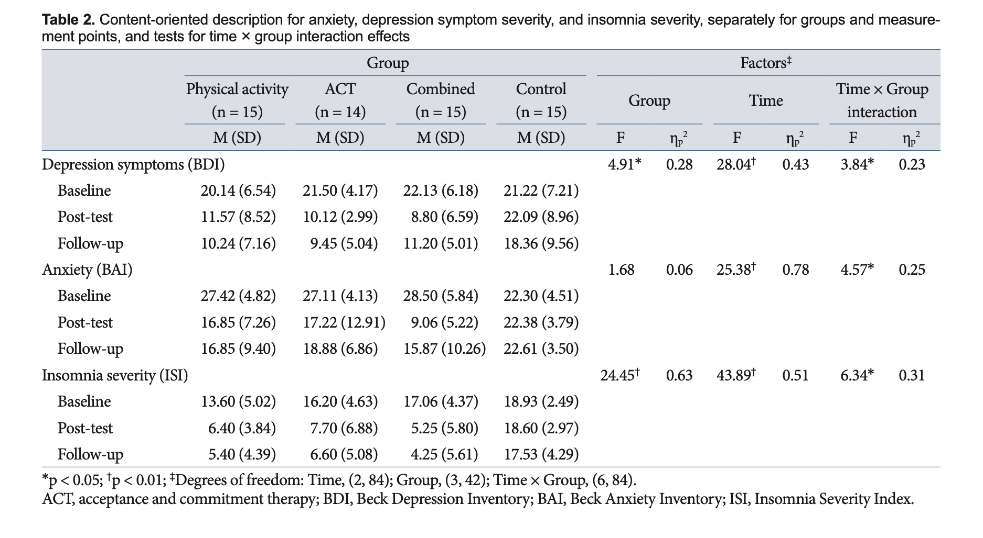
Outcomes: Wellbeing and mental health
Outcome category | Depression
Measure/questionnaire | BDI
Results | Description | Mean difference (SD/SE) | p value
 | The mixed ANOVA indicates that across the sample as a whole, depressive symptom scores decreased from baseline to post-intervention and to follow-up (Table 2). The main group effect was significant (p = 0.006). Furthermore, the findings re- vealed that the main effect of time was significant (p = 0.001). There was also a significant interaction between time × group (p = 0.002). Bonferroni post hoc showed that there was no sig- nificant difference between the four groups at the pre-test stage (all p > 0.5), but there was significant difference in the post-test phase (all p < 0.5) and at the follow-up (all p < 0.5). As a result, the one-way ANOVA test was used to compare the four groups in the pre- and post-test to check the effects. In the pre-test stage, there was no significant difference between the four groups of physical activity, ACT, combined, and control (p = 0.147; F = 0.93). However, in the post-test phase, the difference between the groups was significant (p = 0.001; F = 5.97). Furthermore, there was a significant difference at the follow- up between the groups (p = 0.015; F = 3.98). As a result, the type of intervention had a different effect on the participants’ depres- sion symptoms and the groups progressed differently. Table 2 shows that at post-test, the combined group had a greater reduc- tion in depression symptoms than the other groups (Fig. 2A). |  | within-group: INT, PA, M improved p<.05, CON did not
Effect size |  |  | between-groups: Group-Time interaction term F(6, 84) = 3.84, p<.05, EtaSq = 0.23; INT improved more than other groups
Statistical methods | A series of mixed ANOVAs was performed with the factors time (baseline, post-intervention, follow-up), group (physical activity, ACT, combined vs. control), and the time by group interaction, sepa- rately, for depression, anxiety, and insomnia severity as depen- dent variables. Because of deviations from sphericity, the mixed ANOVAs were performed using Greenhouse–Geisser corrected degrees of freedom, although the original degrees of freedom are reported with the relevant Greenhouse–Geisser epsilon val- ue (ε). To test the strength of changes at baseline, post-interven- tion, and follow-up, we used one-way ANOVA. For mixed ANO- VAs, effect sizes were indicated with the partial eta squared (ηp2), with 0.01 ≤ ηp2 ≤ 0.059 indicating small, 0.06 ≤ ηp2 ≤ 0.139 indi- cating medium, and ηp2 ≥ 0.14 indicating large effect sizes. The level of significance was set at p ≤ 0.05, and all statistics were processed using SPSS 25.0 for Macintosh (IBM Corp., Armonk, NY, USA).
Outcome category | Anxiety
Measure/questionnaire | BAI
Results | Description | Mean difference (SD/SE) | p value
 | The mixed ANOVA indicates that across the sample as a whole, anxiety scores decreased from baseline to post-intervention and to follow-up (Table 2). The results of the mixed ANOVA revealed that the main group effect was not significant (p = 0.41), as shown in Table 2. However, the main effect of time was statistically significant (p = 0.01). As a result, the type of intervention affect- ed participant anxiety. Furthermore, the interaction between group and time was significant (p = 0.01). As a result, the inter- action of the meetings, as well as the type of intervention, affect- ed anxiety. Bonferroni post hoc showed that there was no sig- nificant difference between the four groups at the pre-test stage (all p > 0.5) and at the follow-up (all p > 0.5), while in the post- test phase, the difference was significant (all p < 0.5). However, one-way ANOVA was used to determine the point of interaction. Based on the results of one-way ANOVA, at the pre-test phase, there was no significant difference between the four groups of physical activity, ACT, combined, and control (p = 0.12; F = 1.97). However, at the post-test, the differences between the groups were significant (p = 0.001; F = 7.46). Furthermore, Table 2 and Fig. 2B show that the ACT group revealed the greatest reduc- tion in anxiety when compared to the other groups. However, the follow-up phase showed no significant difference between the groups (F = 0.92; p = 0.43). |  | within-group: INT, PA, M improved p<.05, CON did not
Effect size |  |  | between-groups: Group-Time interaction term F(6, 84) = 4.57 , p<.05, EtaSq = 0.25; INT improved more than other groups
Statistical methods | A series of mixed ANOVAs was performed with the factors time (baseline, post-intervention, follow-up), group (physical activity, ACT, combined vs. control), and the time by group interaction, sepa- rately, for depression, anxiety, and insomnia severity as depen- dent variables. Because of deviations from sphericity, the mixed ANOVAs were performed using Greenhouse–Geisser corrected degrees of freedom, although the original degrees of freedom are reported with the relevant Greenhouse–Geisser epsilon val- ue (ε). To test the strength of changes at baseline, post-interven- tion, and follow-up, we used one-way ANOVA. For mixed ANO- VAs, effect sizes were indicated with the partial eta squared (ηp2), with 0.01 ≤ ηp2 ≤ 0.059 indicating small, 0.06 ≤ ηp2 ≤ 0.139 indi- cating medium, and ηp2 ≥ 0.14 indicating large effect sizes. The level of significance was set at p ≤ 0.05, and all statistics were processed using SPSS 25.0 for Macintosh (IBM Corp., Armonk, NY, USA).
Outcomes: Physical activity
Outcome category
Measure/questionnaire
Results | Description | Mean difference (SD/SE) | p value

Effect size
Statistical methods
Other outcomes
Measure/questionnaire | Insomnia (Insomnia Severity Index)
Results | The mixed ANOVA indicates that across the sample as a whole, insomnia severity scores decreased from baseline to post-in- tervention and to follow-up (Table 2). The mixed ANOVA re- sults revealed that the group effect is significant (p = 0.001). As a result, the type of intervention affected the severity of the par- ticipants’ insomnia. Furthermore, the main effect of time was significant (p = 0.01). Moreover, the interaction between group and time was significant (p = 0.01). Bonferroni post hoc showed that at the pre-test stage (all p > 0.5), there was no significant difference between the four groups, but in the post-test phase (all p < 0.5) and at the follow-up (all p < 0.5), the differences were significant. As a result, one-way ANOVA was used to check the interaction in various phases of the pre-test, post-test, and follow-up test. The results of the one-way ANOVA to investigate the interaction point revealed that there was no significant dif- ference in the pre-test phase between the four groups of physi- cal activity, ACT, combined, and control (p = 2.39; p = 0.07). However, at the post-test, the difference between the groups was significant (F = 22.50; p = 0.001). Furthermore, as shown in Table 2, the physical activity group experienced the greatest re- duction in sleep problems, when compared to the other groups. Also, at follow-up, there was a significant difference between the groups (p = 0.001; p = 20.66), with the physical activity group showing more improvement (Fig. 2C).
Measure/questionnaire
Results

Additional information
Ethical approval | The Research Ethics Committee of Sport Sciences Research Institute (Tehran, Iran) approved the study, which was conducted with the ethical principles laid down in the Declaration of Helsinki and its later amendments with the code IR.SSRI.REC.1401.1801.
Funding source | This work was supported by the Islamic Azad University, Science and Research Branch, Tehran, Iran.
...

Norouzi_2023
...
Intervention & control
Content | Aerobic, moderate intensity; 8 wks / 2x pw / 45 min
Notes
Control condition (M only)
Type | M only
Description | The mindfulness intervention was performed in-person for 8 weeks at 2 sessions per week and 45 minutes per session at Farabi Hospital (Kermanshah, Iran). Eight weeks was chosen based on previous research (Norouzi et al., 2020; Zou et al., 2018). Participants attended a mindfulness program together as group. Eight week of mindfulness included 1) mindfulness and its potential in mental health, 2) conceptualization of mindfulness, 3) mindfulness training and dealing with obstacles, 4) identification values and distinguishing between value and purpose, 5) practice of mindfulness and being in the present, 6) creating cognitive, emotional and behavioral flexibility, 7) acceptance, 8) use mindfulness in daily lives. Explanations about stress and its relationship to depression, body-mind connections, thoughts and body sensations, and breathing exercise were discussed to reduce the activity of the sympathetic nervous system. Being in the moment and not being dependent on failures and negative thoughts was considered along with a body scan (Norouzi et al., 2020; Zou et al., 2018). Mindfulness sessions were performed by two clinical psychologists to eliminate the effect of the therapist. In this way, the changes were related to the type of intervention and not due to the characteristics of the therapist.
Content | mindfulness-based exercises, including mindful awareness, body scan, breathing exercises, acceptance ; 8 wks / 2x pw / 45 min
Notes

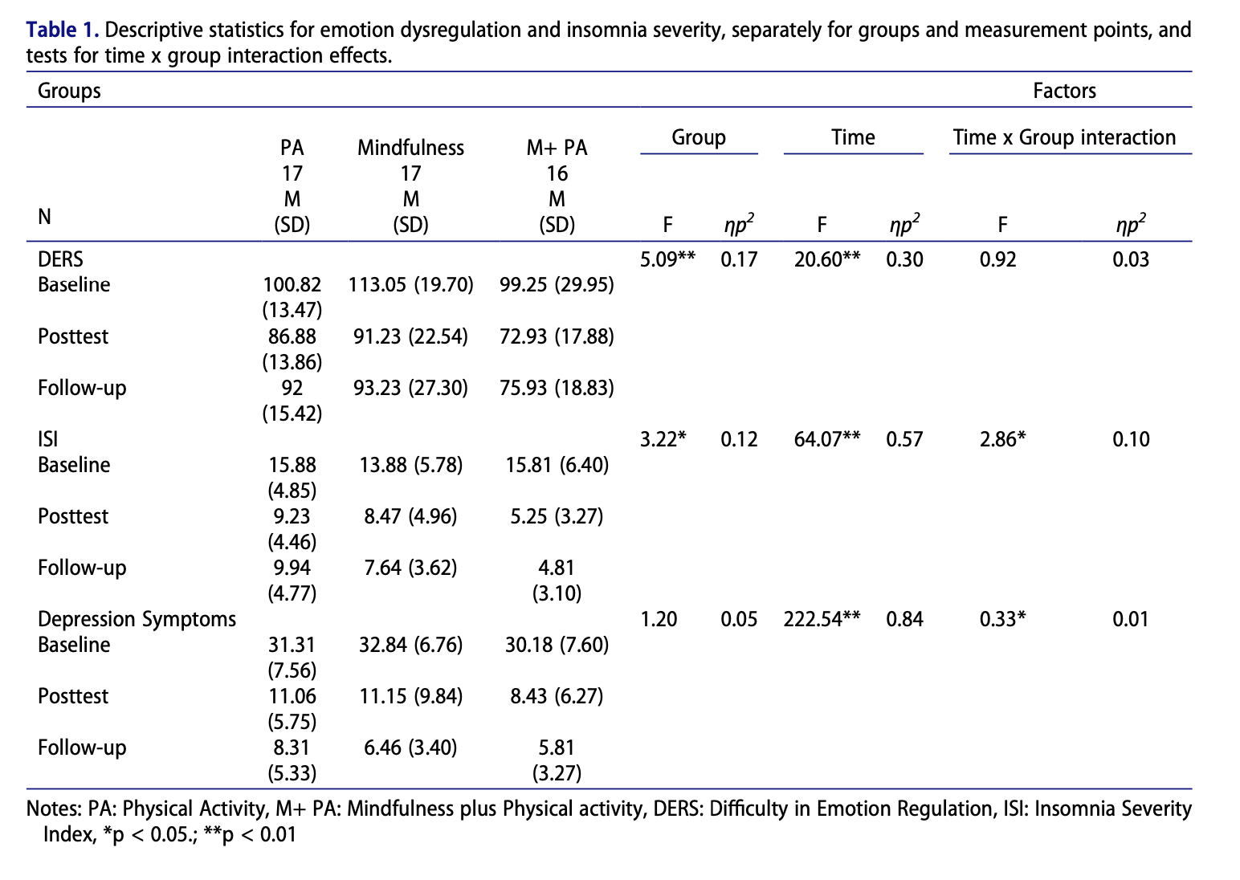
Outcomes: Wellbeing and mental health |  |  |  | Note:
Outcome category | Depression |  |  | All data extracted for post-intervention (not follow-up)
Measure/questionnaire | BDI
Results | Description | Mean difference (SD/SE) | p value
 | The rANOVA points out that across time, and regardless of group, depressive symptom scores decreased from baseline to posttest and follow-up (F(2, 84) = 222.54, p < .001, partial η2 = .84). However, there was no significant group effects (F(2, 42) = 1.20, p = .30, partial η2 = .05), and no significant Time × Group interaction effect (F(4, 84) = .33, p = .85, partial η2 = .01). Post-hoc calculations showed that symptom severity reduced in all groups (no significant difference between groups; all, p > .5). |  | within-groups: all groups improved (p<.05)
Effect size |  |  | between-groups: n.s., Time × Group interaction effect (F(4, 84) = .33, p = .85, partial η2 = .01
Statistical methods | We compared age, highest educational level, and demographic information between the three groups via a series of independent one way anova-tests. Next, a series of rANOVAs was performed with the factors Time (baseline, post intervention, follow-up), Group (physical activity, mindfulness, M+ PA), and the Time by Group interaction, separately for emotion dysregulation, insomnia severity and depressive symptoms as dependent variables. Because of deviations from sphericity, the rANOVAs were performed using Greenhouse-Geisser corrected degrees of freedom, though the original degrees of freedom are reported with the relevant Greenhouse-Geisser epsilon value (ε). To test the strength of changes from baseline to post-intervention and follow-up in each group, we used dependent sample t-tests, whereas we applied one way anova-tests to examine the magnitude of the differences between groups at baseline, post-intervention, and follow-up. For rANOVAs, effect sizes were indicated with the partial eta squared (ηp2), with .01 ≤ ηp2 ≤ .059 indicating small, .06 ≤ ηp2 ≤ .139 indicating medium, and ηp2 ≥ .14 indicating large effect sizes. The level of significance was set at p ≤ .05, and all statistics were processed using SPSS® 25.0 (IBM Corporation, Armonk, N.Y., USA) for Apple McIntosh®.
Outcome category | Affect/mood
Measure/questionnaire | Difficulties in Emotion Regulation Scale (DERS)
Results | Description | Mean difference (SD/SE) | p value
 | The rANOVA points out that across the sample as a whole, DERS scores decreased from baseline to post-intervention and to follow-up (see, Table 1). Post-hoc calculations showed that within the PA group, DERS scores decreased substantially from baseline to post-intervention (t(16) = 4.28, p = .001), and from baseline to follow-up (t(16) = 2.33, p = .03). Within the mindfulness group, DERS scores decreased from baseline to post-intervention (t(16) = 3.51, p = .003), and from baseline to follow-up (t(16) = 4.30, p = .001). Within the mindfulness plus physical activity group, DERS scores decreased from baseline to post-intervention (t(15) = 2.65, p = .02), and from baseline to follow-up (t (15) = 2.41, p = .02). Post-hoc calculations comparing the groups showed that DERS scores were similar in all groups at baseline (F(2) = 1.99, p = .14). By contrast, at post-intervention (F(2) = 4.38, p = .01) and follow-up (F (2) = 3.39, p = .04), the participants of the mindfulness plus physical activity group reported lower DERS scores than the counterparts from the other groups (see, Figure 2). |  | within-groups: all groups improved (INT p<.05, PA p<.01, M p<.01)
Effect size |  |  | between-groups: post-int scores F(2) = 4.38, p = .01; INT improved more than other groups
Statistical methods | We compared age, highest educational level, and demographic information between the three groups via a series of independent one way anova-tests. Next, a series of rANOVAs was performed with the factors Time (baseline, post intervention, follow-up), Group (physical activity, mindfulness, M+ PA), and the Time by Group interaction, separately for emotion dysregulation, insomnia severity and depressive symptoms as dependent variables. Because of deviations from sphericity, the rANOVAs were performed using Greenhouse-Geisser corrected degrees of freedom, though the original degrees of freedom are reported with the relevant Greenhouse-Geisser epsilon value (ε). To test the strength of changes from baseline to post-intervention and follow-up in each group, we used dependent sample t-tests, whereas we applied one way anova-tests to examine the magnitude of the differences between groups at baseline, post-intervention, and follow-up. For rANOVAs, effect sizes were indicated with the partial eta squared (ηp2), with .01 ≤ ηp2 ≤ .059 indicating small, .06 ≤ ηp2 ≤ .139 indicating medium, and ηp2 ≥ .14 indicating large effect sizes. The level of significance was set at p ≤ .05, and all statistics were processed using SPSS® 25.0 (IBM Corporation, Armonk, N.Y., USA) for Apple McIntosh®.
Outcomes: Physical activity
Outcome category
Measure/questionnaire
Results | Description | Mean difference (SD/SE) | p value

Effect size
Statistical methods
Other outcomes
Measure/questionnaire | Insomnia (Insomnia Severity Index)
Results | As highlighted in Table 1, the rANOVA yielded that across the sample as a whole, insomnia severity decreased from baseline to post-intervention and to follow-up (significant Time effect). Post-hoc calculations showed that within the PA group, insomnia severity decreased substantially from baseline to post-intervention (t(16) = 5.10, p = .001) and from baseline to follow-up (t(16) = 5, p = .001). Within the mindfulness group, insomnia severity decreased from baseline to post-intervention (t(16) = 2.66, p = .01), and from baseline to follow-up (t(16) = 4.21, p = .001). Within the combined group, insomnia severity decreased from baseline to post-intervention (t(15) = 7.30, p = .001), and from baseline to follow-up (t(15) = 7.38, p = .001). Post-hoc calculations comparing the groups showed that insomnia severity was similar in all the groups at baseline (F(2) =.66, p = .51). However, at post-intervention (F(2) = 3.93, p = .02) and at follow-up (F(2) = 7.09, p = .002) the participants of the mindfulness plus physical activity group reported lower insomnia severity than the counterparts from the other groups (see, Figure 3).
Measure/questionnaire
Results

Additional information
Ethical approval | The Review Board of Kermanshah University of Medical Sciences (Kermanshah, Iran) approved the study, which was conducted in accordance with the ethical principles in the Declaration of Helsinki and its later amendments (registration of a clinical trial: IRCT20210119050079N1(.
Funding source | This work was supported by the Iran National Science Foundation [99019689].
Conflicts of interest | No potential conflict of interest was reported by the author(s).
Limitations (author) | Despite the novelty of the results, several limitations are warranted. First, our study focused only on aerobic exercise despite other forms of exercise (e.g., resistance training) seem to be beneficial as well. For example, Hood et al. (2011) showed that high-intensity resistance interval exercise is more effective than traditional aerobic exercise in improving the symptoms of psychological problems in people with depression. As a result, it is suggested that in future research, resistance training should be examined to improve the psychological indicators and sleep of patients with major depressive disorder. Second, we did not collect information on the participants’ diet to understand how nutrition may have played a role in these results. Third, our study did not include a placebo condition. Fourth, the level of initial motivation to participate in the research as well as the amount of daily rest of the participants was another part of the research limitations that could not be controlled by the researchers. Fifth, in our study we used a combination of physical activity with psychotherapy. It was not feasible within the power limits to include other specific therapy techniques such as cognitive behavioral therapy. Future research could focus on other therapy techniques and different forms of physical activity.
Limitations (reviewer) | Again some odd reporting of analyses - not all contrasts given, Table 1 result for Depression does not match what they say in text results.

Rao_2023
...
Participants & setting
Context | outpatient CR depart- ment based in a tertiary referral hospital in metropolitan Sydney, Australia
Location | Sydney, Australia
Study criteria
Inclusion criteria | Participants aged 18 years or older who were referred to outpatient CR with (1) an acute coronary syndrome, ST-segment elevation myo- cardial infarction, non–ST-segment elevation myocardial infarction, or diagnosed coronary heart disease, or who had a percutaneous coronary intervention, insertion of de- fibrillator or pacemaker, or a coronary artery bypass; (2) mild to extremely severe depression as measured by the Depression, Anxiety, and Stress Scale depression subscale score ≥ 5 and/or anxiety subscale score ≥ 4; and (3) English literacy sufficient to completion of study instru- ments with minimal assistance
Exclusion criteria | Patients with congenital heart disease or preexisting severe mental illness (schizo- phrenia, manic bipolar disorder) were excluded. Pa- tients who did not meet National Heart Foundation of Australia guidelines34 for inclusion in CR were con- sidered low priority (eg, syncope, atrial fibrillation, un- controlled hypertension, and comorbid diabetes) were not screened for inclusion.
Review criteria
Participants mean age 18-65 | Y | Longitudinal intervention | Y
Intervention with M+PA components | Y | Includes purposeful teaching of mindfulness | Y
Control condition present | Y
WB/MH outcomes | Y
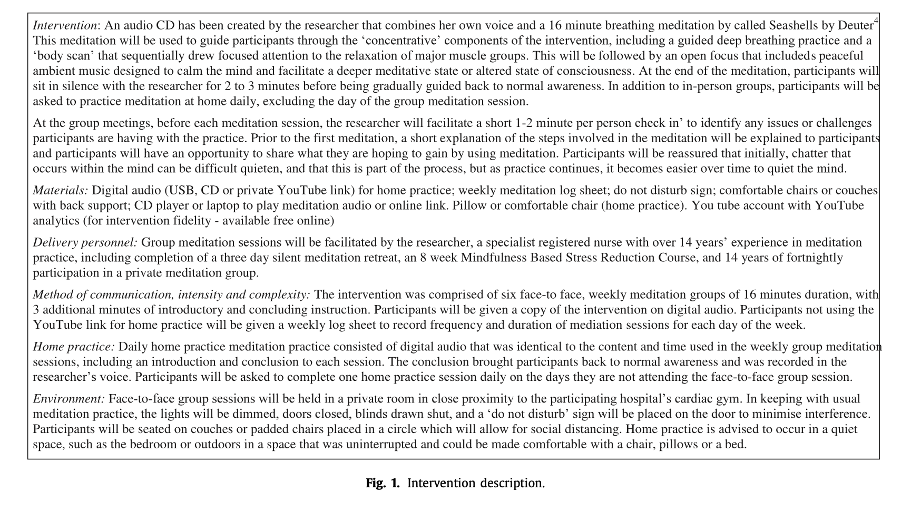
Intervention & control
Intervention condition
Description | This meditation intervention consisted of 6 weekly 16-minute group sessions in addition to standard CR. A detailed description of the study design and method- ology is included in the protocol paper.35 An audio CD was created by the researcher that com- bined her own voice and an online YouTube breathing meditation.36 After a short “check-in” with participants, this meditation CD was used to guide participants through concentrative meditation practices including guided deep breathing and a “body scan” that sequen- tially drew focused attention to the relaxation of major muscle groups. This was followed by an open focus that includes peaceful ambient music designed to calm the mind and facilitate a meditative state.36 Usual care (CR component): Participants allocated to the control group will attend the usual outpatient CR program. The CR program includes an initial car- diovascular nursing assessment and 6 weeks/12 sessions of struc- tured supervised exercise and education according to their needs and preferences. Both the meditation intervention group and con- trol group will be able to participate in CR. Participants will re- main eligible for the study if they choose to discontinue the usual outpatient CR program. There will be no alteration to cardiologist or other outpatient follow-up appointments or medications unless advised by the relevant health professional nor restrictions to use of other complementary and alternative therapies. These partici- pants will also be offered a meditation CD or USB for home prac- tice at the end of the 3-month trial period. Digital audio (USB, CD, or YouTube link) that was identical to the content used in the weekly group medi- tation sessions was provided by the researcher. This digital medium also included an introduction to the ses- sion and a conclusion to the session that brought partic- ipants back to normal awareness, which was recorded in the researcher's voice. The duration of the home practice sessions also replicate
Group/individual | Group (supervised part); individual home practice
Digital/in person | In person (supervised part); digital self-delivered home practice
Duration | 6 wks
Frequency | 6 wks / 2x pw / duration NR (PA); 6 wks / 7x pw / 16 min (1x pw group, in person, supervised; 6x pw individual, self-delivered, guided)
Content: mindfulness | Mindfulness meditation practice including check-in, focused attention, body scans, and ambient music (same in group and home practice)
Content: exercise | Standard Australian cardiac rehabilitation program - 12 sessions of "supervised exercise and education according to needs and preferences"
Content: additional | /
BCTs (Michie et al., 2011) | NR
Notes
Control condition
Type | PA only
Description | Participants allocated to the standard care control group attended the 6-week/12-session outpatient CR program. These participants were also offered a medi- tation audio recording on a compact disc or USB for home practice at the end of the 3-month trial period. (from RCT paper) Participants allocated to the control group will attend the usual outpatient CR program. The CR program includes an initial car- diovascular nursing assessment and 6 weeks/12 sessions of struc- tured supervised exercise and education according to their needs and preferences. Both the meditation intervention group and con- trol group will be able to participate in CR. Participants will re- main eligible for the study if they choose to discontinue the usual outpatient CR program. There will be no alteration to cardiologist or other outpatient follow-up appointments or medications unless advised by the relevant health professional nor restrictions to use of other complementary and alternative therapies. These partici- pants will also be offered a meditation CD or USB for home prac- tice at the end of the 3-month trial period. (from protocol paper)
Content | Standard Australian cardiac rehabilitation program - 12 sessions of "supervised exercise and education according to needs and preferences"
Notes

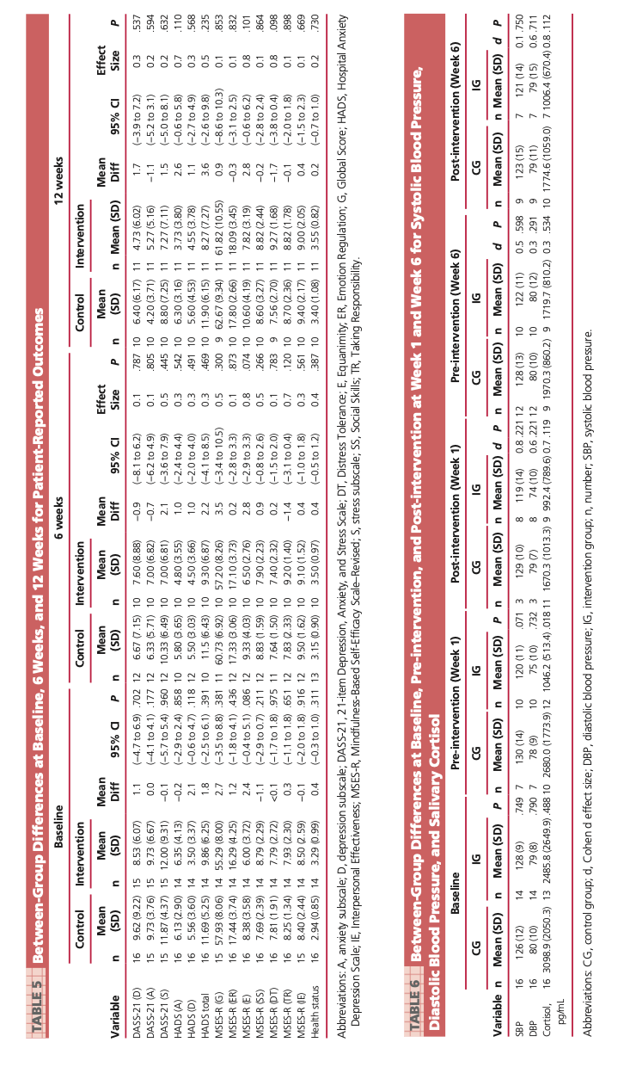
Outcomes: Wellbeing and mental health
Outcome category | Depression
Measure/questionnaire | DASS-21
Results | Description | Mean difference (SD/SE) | p value
 | Between-group differences in depression, anxiety, stress, mindfulness self-efficacy, systolic blood pressure and di- astolic blood pressure, and salivary cortisol are reported in Tables 5 and 6. None of these outcomes reached sta- tistical significance in intention-to-treat analyses, al- though the study was not powered to detect these dif- ferences. |  | within-groups NR
Effect size |  |  | between-groups n.s. (all p>.05)
Statistical methods | Data analyses of feasibility outcomes were largely de- scriptive. Categorical data were summarized as frequencies and percentages, and continuous data were summarized as means with standard deviations. Differences be-tween the study groups were analyzed using the Pear- son χ2 or Fisher exact tests for categorical variables and the Mann-Whitney test for continuous variables. Per-protocol analyses of participants completing all 6 group meditation sessions compared with all control group participants were undertaken. For the prelimi- nary efficacy data, independent sample t tests were car- ried out on an intention-to-treat basis. Cohen d effect size calculations were used to determine potentially clinically significant effect sizes of small (d = 0.2), mod- erate (d = 0.5), and large (d = 0.7).59
Outcome category | Depression
Measure/questionnaire | HADS
Results | Description | Mean difference (SD/SE) | p value
 | Between-group differences in depression, anxiety, stress, mindfulness self-efficacy, systolic blood pressure and di- astolic blood pressure, and salivary cortisol are reported in Tables 5 and 6. None of these outcomes reached sta- tistical significance in intention-to-treat analyses, al- though the study was not powered to detect these dif- ferences. |  | within-groups NR
Effect size |  |  | between-groups n.s. (all p>.05)
Statistical methods | Data analyses of feasibility outcomes were largely de- scriptive. Categorical data were summarized as frequencies and percentages, and continuous data were summarized as means with standard deviations. Differences be-tween the study groups were analyzed using the Pear- son χ2 or Fisher exact tests for categorical variables and the Mann-Whitney test for continuous variables. Per-protocol analyses of participants completing all 6 group meditation sessions compared with all control group participants were undertaken. For the prelimi- nary efficacy data, independent sample t tests were car- ried out on an intention-to-treat basis. Cohen d effect size calculations were used to determine potentially clinically significant effect sizes of small (d = 0.2), mod- erate (d = 0.5), and large (d = 0.7).59
Outcome category | Anxiety
Measure/questionnaire | DASS-21
Results | Description | Mean difference (SD/SE) | p value
 | Between-group differences in depression, anxiety, stress, mindfulness self-efficacy, systolic blood pressure and di- astolic blood pressure, and salivary cortisol are reported in Tables 5 and 6. None of these outcomes reached sta- tistical significance in intention-to-treat analyses, al- though the study was not powered to detect these dif- ferences. |  | within-groups NR
Effect size |  |  | between-groups n.s. (all p>.05)
Statistical methods | Data analyses of feasibility outcomes were largely de- scriptive. Categorical data were summarized as frequencies and percentages, and continuous data were summarized as means with standard deviations. Differences be-tween the study groups were analyzed using the Pear- son χ2 or Fisher exact tests for categorical variables and the Mann-Whitney test for continuous variables. Per-protocol analyses of participants completing all 6 group meditation sessions compared with all control group participants were undertaken. For the prelimi- nary efficacy data, independent sample t tests were car- ried out on an intention-to-treat basis. Cohen d effect size calculations were used to determine potentially clinically significant effect sizes of small (d = 0.2), mod- erate (d = 0.5), and large (d = 0.7).59
Outcome category | Anxiety
Measure/questionnaire | HADS
Results | Description | Mean difference (SD/SE) | p value
 | Between-group differences in depression, anxiety, stress, mindfulness self-efficacy, systolic blood pressure and di- astolic blood pressure, and salivary cortisol are reported in Tables 5 and 6. None of these outcomes reached sta- tistical significance in intention-to-treat analyses, al- though the study was not powered to detect these dif- ferences. |  | within-groups NR
Effect size |  |  | between-groups n.s. (all p>.05)
Statistical methods | Data analyses of feasibility outcomes were largely de- scriptive. Categorical data were summarized as frequencies and percentages, and continuous data were summarized as means with standard deviations. Differences be-tween the study groups were analyzed using the Pear- son χ2 or Fisher exact tests for categorical variables and the Mann-Whitney test for continuous variables. Per-protocol analyses of participants completing all 6 group meditation sessions compared with all control group participants were undertaken. For the prelimi- nary efficacy data, independent sample t tests were car- ried out on an intention-to-treat basis. Cohen d effect size calculations were used to determine potentially clinically significant effect sizes of small (d = 0.2), mod- erate (d = 0.5), and large (d = 0.7).59
Outcome category | Stress
Measure/questionnaire | DASS-21
Results | Description | Mean difference (SD/SE) | p value
 | Between-group differences in depression, anxiety, stress, mindfulness self-efficacy, systolic blood pressure and di- astolic blood pressure, and salivary cortisol are reported in Tables 5 and 6. None of these outcomes reached sta- tistical significance in intention-to-treat analyses, al- though the study was not powered to detect these dif- ferences. |  | within-groups NR
Effect size |  |  | between-groups n.s. (all p>.05)
Statistical methods | Data analyses of feasibility outcomes were largely de- scriptive. Categorical data were summarized as frequencies and percentages, and continuous data were summarized as means with standard deviations. Differences be-tween the study groups were analyzed using the Pear- son χ2 or Fisher exact tests for categorical variables and the Mann-Whitney test for continuous variables. Per-protocol analyses of participants completing all 6 group meditation sessions compared with all control group participants were undertaken. For the prelimi- nary efficacy data, independent sample t tests were car- ried out on an intention-to-treat basis. Cohen d effect size calculations were used to determine potentially clinically significant effect sizes of small (d = 0.2), mod- erate (d = 0.5), and large (d = 0.7).59
Outcomes: Physical activity
Outcome category
Measure/questionnaire
Results | Description | Mean difference (SD/SE) | p value

Effect size
Statistical methods
...

Signore_2022
...
Intervention & control
Content: mindfulness | For the second half of sessions 2–6, participants in the self-compassion condition received 45 min of self- compassion training. Adapted from the Mindful Self- Compassion training created by Neff and Germer [39], participants learned how to apply self-compassion to their prediabetes and physical activity experience through strategies shown to increase self-compassion [39]. Some examples of activities included having partici- pants apply the three aspects of self-compassion to one’s diabetes risk and having them identify their self-critical voice and replace it with their self-compassionate voice. Topics included an introduction to self-compassion, the yin and yang of self-compassion, mindfulness, meeting difficult emotions, and embracing the good in life.
Content: exercise | During the first one-on-one meeting, the research assistant shared the participant’s T2D risk score (i.e. moderate or high risk of T2D) and discussed the behaviours that could lower T2D risk [35], includ- ing meeting the physical activity guidelines (i.e. 150 min of moderate to vigorous physical activity per week [38]), describing how physical activity could decrease T2D risk, and discussing their past experience with physical activ- ity. All individual meetings followed the same script for both conditions and represented what a patient diag- nosed with prediabetes would ideally experience with a diabetes educator (i.e. ideal care [34]). All participants received 45 min of theory-based physi- cal activity behaviour change education, based on effec- tive physical activity interventions among people with prediabetes (e.g. [40]). Behaviour change topics included goal-setting, self-monitoring, self-efficacy, physical activity barriers, enjoying physical activity, and relapse prevention.
Content: additional | Text message reminders of session, self-compassion component
BCTs (Michie et al., 2011) | /
Notes | /
Control condition
Type | PA +EDU; attention-matched educational control
Description | Initial individual education session 60 mins; 5 BC training sessions with 45 mins of PA focus and 45 min mindfulness/self-compassion focus The online intervention involved a 60-min online one- on-one meeting with a research assistant (i.e. session 1) followed by five group education sessions (sessions 2–6) each 1 week apart. During the first one-on-one meeting, the research assistant shared the participant’s T2D risk score (i.e. moderate or high risk of T2D) and discussed the behaviours that could lower T2D risk [35], includ- ing meeting the physical activity guidelines (i.e. 150 min of moderate to vigorous physical activity per week [38]), describing how physical activity could decrease T2D risk, and discussing their past experience with physical activ- ity. All individual meetings followed the same script for both conditions and represented what a patient diag- nosed with prediabetes would ideally experience with a diabetes educator (i.e. ideal care [34]). The subsequent five online group sessions covered behaviour change topics followed by either self-compassion (intervention group) or health topics unrelated to the study outcomes (control group). Participants in both groups were encour- aged to complete weekly “home practice” activities facilitated by a workbook which were related to weekly topics. Furthermore, participants were reminded about the different components of the study (e.g. home prac- tice, upcoming sessions) and were asked to report how much home practice they completed through a text mes- saging system. A website was created for each group (and secure to only each group) where participants could find additional information about session content, places to exercise, and free exercise videos. Two facilitators (i.e. PhD student and post-doctoral fellow) conducted the five group sessions; both had expertise in Mindful Self- Compassion training [39] and experience in conducting behaviour change interventions. Additional resources provided to participan
Content | "During the first one-on-one meeting, the research assistant shared the participant’s T2D risk score (i.e. moderate or high risk of T2D) and discussed the behaviours that could lower T2D risk [35], includ- ing meeting the physical activity guidelines (i.e. 150 min of moderate to vigorous physical activity per week [38]), describing how physical activity could decrease T2D risk, and discussing their past experience with physical activ- ity. All individual meetings followed the same script for both conditions and represented what a patient diag- nosed with prediabetes would ideally experience with a diabetes educator (i.e. ideal care [34]). All participants received 45 min of theory-based physi- cal activity behaviour change education, based on effec- tive physical activity interventions among people with prediabetes (e.g. [40]). Behaviour change topics included goal-setting, self-monitoring, self-efficacy, physical activity barriers, enjoying physical activity, and relapse prevention." Control content (sessions 2–6) For the second half of sessions 2–6, participants in the control condition received information on health topics unrelated to physical activity. Control material was simi- lar in activity nature and duration to the self-compassion condition in order to match the amount and type of attention provided in the self-compassion condition; this allowed us to rule out possible effects from activities or attention [41]. Topics included sleep, screen time, antibi- otic use, benefits of water, and benefits of vitamin D.
Notes | / |  |  | Control condition scores:
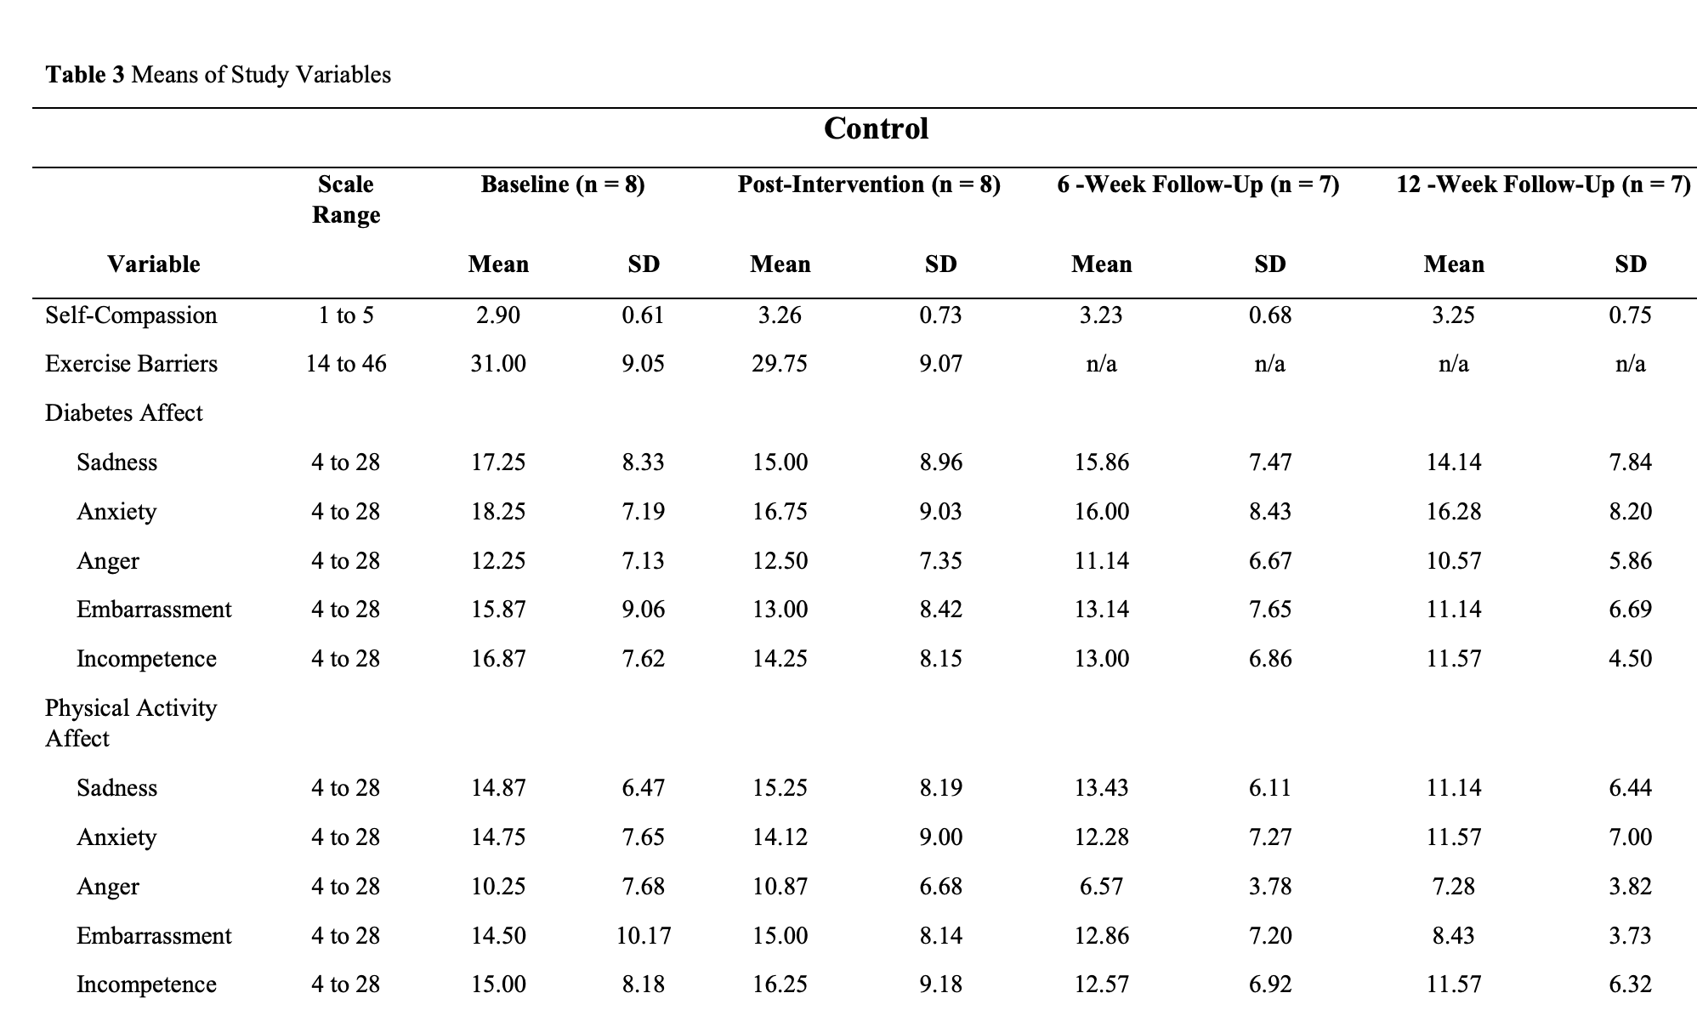
Outcomes: Wellbeing and mental health
Outcome category | Mood
Measure/questionnaire | Negative Affect Scale (NAS)
Results | Description | Mean difference (SD/SE) | p value
 | Descriptive stats only (Supplementary, Table 3) | Subscales - see Supplementary Table 3 | NA
Effect size | NR
Statistical methods | To stay within the confines of a pilot feasibil- ity study [59], we report the means and standard devia- tions of measures at all time points for both the control and the intervention to examine participant interpreta- tion and ceiling effects to determine their appropriate- ness for use in the planned efficacy trial [31]. The mean changes were not examined given that this study was underpowered to detect differences between the groups or pre-post comparisons which would be inconclusive and potentially misleading [31, 59].
Outcomes: Physical activity
Outcome category | Objective PA (daily minutes)
Measure/questionnaire | Accelerometer ActiGraph GT3X+
Results | Description | Mean difference (SD/SE) | p value
 | Descriptive stats only (Supplementary, Table 3)
Effect size | NR
Statistical methods | To stay within the confines of a pilot feasibil- ity study [59], we report the means and standard devia- tions of measures at all time points for both the control and the intervention to examine participant interpreta- tion and ceiling effects to determine their appropriate- ness for use in the planned efficacy trial [31]. The mean changes were not examined given that this study was underpowered to detect differences between the groups or pre-post comparisons which would be inconclusive and potentially misleading [31, 59].
Outcome category | Self-report PA
Measure/questionnaire | IPAQ-short form
Results | Description | Mean difference (SD/SE) | p value
 | Descriptive stats only (Supplementary, Table 3)
Effect size | NR |  |  | Intervention condition scores:
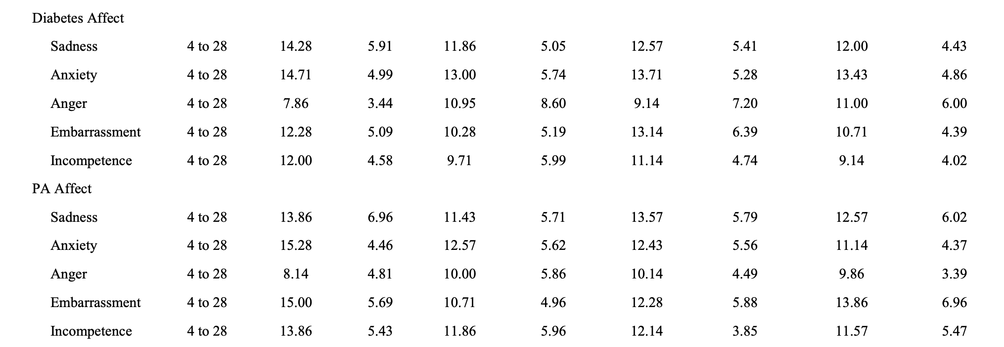
Statistical methods | To stay within the confines of a pilot feasibil- ity study [59], we report the means and standard devia- tions of measures at all time points for both the control and the intervention to examine participant interpreta- tion and ceiling effects to determine their appropriate- ness for use in the planned efficacy trial [31]. The mean changes were not examined given that this study was underpowered to detect differences between the groups or pre-post comparisons which would be inconclusive and potentially misleading [31, 59].
Other outcomes
Measure/questionnaire | Feasibility (recruitment, retention, adherence, instructor fidelity, capacity/budget compliance)
Results | Good feasibility overall; "With the exception of completion of home prac- tice, all of our feasibility criteria were met."
Measure/questionnaire | Acceptability & safety
Results | Generally good, themes well-accepted, minor suggestions for change
Measure/questionnaire | Self-Compassion Scale (SCS)
Results | Pre-post: Int = 0.18, control = 0.36
Measure/questionnaire | Exercise Barrier Scale (EBS)
Results | Pre-post: Int = -4.43, control = -1.25
Measure/questionnaire | Cognitive Emotion Regulation Scale (CERQ)
Results | Subscales - see Supplementary Table 3
Measure/questionnaire | Health Promoting Lifestyle Profile II (HPLP-II)
Results | PA subscale: Pre-post: Int = 0.50, control = 0.17 Stress management subscale: Pre-post: Int = 36, control = 0.08 Other subscales - see Supplementary Table 3

Additional information
Ethical approval | This study received ethics approval at Canadian University.
Funding source | Funding for this study was from the Canadian Institutes of Health Research (CIHR).
Conflicts of interest | The authors declare that they have no competing interests.
Limitations (author) | We conducted our feasibility study when there were restrictive COVID-19 restrictions in place. For exam- ple, intervention sessions and follow-up assessments occurred during a time when all non-essential businesses were closed, and social gatherings were not allowed. These unusual circumstances may be different from the circumstances in place (fewer or no restrictions) when the efficacy trial is carried out. We speculate that partici- pants in our pilot study may have had fewer competing demands on their time than if there had been less restric- tive health order in place and this may have contributed to our high adherence and attendance rates. These rates may not represent those that we would attain had we completed the study in more typical times. We plan to begin our efficacy trial at a time when COVID-19 restrictions will likely be in place so there is likely value in having conducted our pilot work in a similar context. However, our findings may not generalize well to trials conducted when pandemic restrictions are not in place. In addition, the present study is not intended to general- ize its findings to other research studies of similar nature [67]. However, there are aspects of our findings that may be beneficial for other researchers. Some examples of how our study can be generalizable include the feasibil- ity of the online intervention delivery format; how it may be advantageous to create a control group with valuable material for participants to help with retention, acceler- ometer wear acceptability, and the acceptability of the intervention content (i.e. concept of self-compassion, behaviour change, and health behaviour information). We took the recommended and informative [42] pre- liminary research step of examining the feasibility and acceptability of our planned intervention. Through this pilot feasibility and acceptability study, we learned that all aspects of our study should be feasible and acceptable. We also learned what steps we need to take
Limitations (reviewer) | No formal analyses of MH/WB outcomes (well justified and appropriate decision though)

Weng_2022
...
Participants & setting
Study criteria
Inclusion criteria | (1) Aged 45–75 years old, male or female (2) In accordance with the diagnostic criteria for DPN in the 2017 edition of the Chinese Guidelines for the Prevention and Treatment of Type 2 Diabetes (3) Muscle strength ≥ III grade and can complete moderate-intensity load exercise (4) Have not participated in systematic aerobic exercise exercises and mindfulness training before joining the group (5) No other adjuvant or comprehensive therapeutic approaches were used to intervene in DPN during the study (6) Clear consciousness, normal hearing, able to com- municate with people normally, and able to un- derstand and follow demonstration actions (7) Patients or their legal guardians sign the informed consents
Exclusion criteria | (1) Patients with severe infection, severe heart, kidney, and other organ dysfunction, autoimmune diseases, and other neuroendocrine diseases (2) Hematological patients with bleeding tendency (3) Patients with severe osteoporosis or other exercise contraindications (4) Patients with diabetic foot ulcers or amputations (5) Women during pregnancy or breast feeding (6) Patients refuse to cooperate or mentally unable to cooperate, participants’ withdrawal, dropout, and termination criteria.
Review criteria
Participants mean age 18-65 | Y | Longitudinal intervention | Y
Intervention with M+PA components | Y | Includes purposeful teaching of mindfulness | Y
Control condition present | Y
WB/MH outcomes | Y

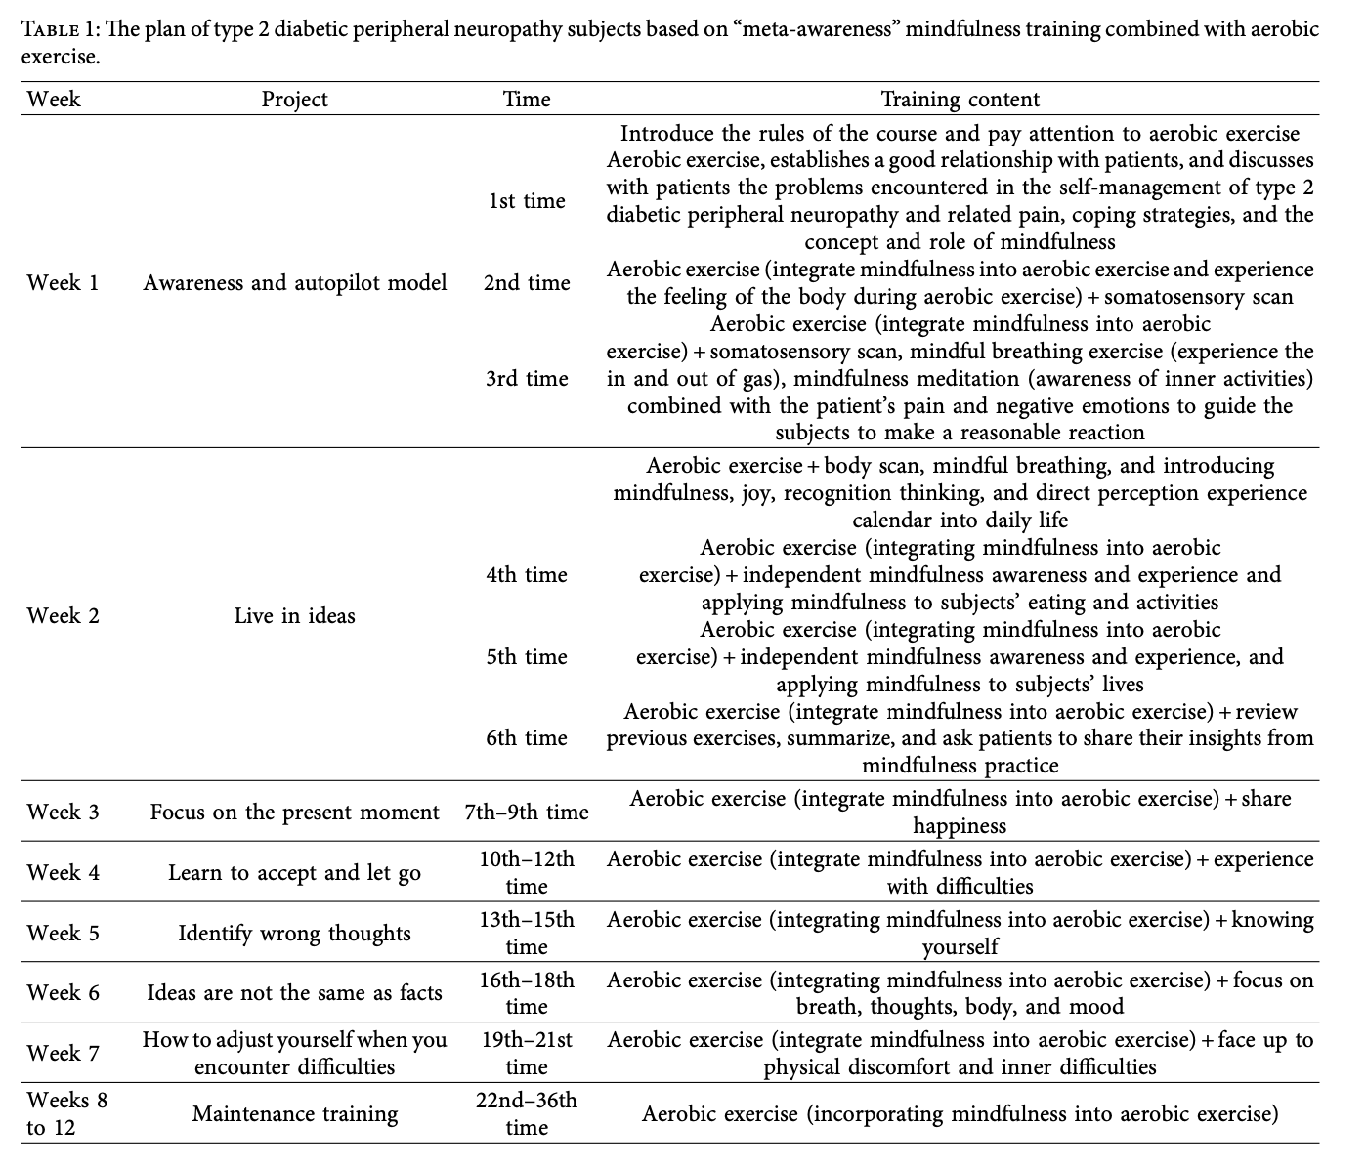
Intervention & control |  |  |  | Note: Poor quality write-up - inconsistent details on intervention groups (MM or EDU?), demographics not reported by group, lack of detail re: missing data, analysis, study context, etc
Intervention condition (MMAE)
Description | Mindfulness meditation combined with aerobic exercise will be added on the basis of routine health education, and group intervention will be used in combination with mindfulness training, WeChat or tele- phone follow-up, consultation, and on-site guidance. Use mindfulness training based on “meta-awareness” combined with an attitude of control and acceptance of attention and reactive flexibility, dynamic self, and reflection on values. The national second-level psychological counselor and members of the research group who have been trained in mindfulness training technology are responsible for group intervention in the community. Group mindfulness training combined with aerobic exercise practice will be given 3 times a week, 1 to 1.5 hours each time. On nongroup training days, patients will be practicing mindfulness at home for 45 minutes every day, their experiences will be recorded and they will communicate with each other in WeChat groups or during group training. Team members will give timely feedback in order to integrate mindfulness into the subjects’ daily life. The specific arrangement of the training is shown in Table 1.
Group/individual | Group (3x pw 75 min), individual home practice (4x pw 45 min)
Digital/in person | In person (3x pw 75 min), independent home practice (4x pw 45 min)
Duration | 12 wks
Frequency | 12 wks / 3x pw / 75 min (in person) + 12 wks / 4x pw / 45 min (home practice)
Content: mindfulness | Present moment awareness, focused attention, body scans, breathing exercises; journal for logging home practice
Content: exercise | Aerobic moderate activity between 65-85% max heart rate
Content: additional | Digital group chat to keep in touch with other participants
BCTs (Michie et al., 2011) | NR
Notes
Control condition (AE)
Type | PA only
Description | Patients in the aerobic exercise group (AE) will receive routine nursing, and aerobic training and aerobic exercise will be performed every Monday, Wednesday, and Friday. Aerobic exercise using the rowing machine or cycling, moderate-intensity training ex- ercise (65–85% of the maximum heart rate) to ensure that the patient’s heart rate is stable during exercise (120–150 times/ min), and each group of training exercise time is 30 minutes.
Content | 12wks / 3x pw / 30 min / aerobic moderate activity
Notes
Control condition (MM)
Type | Attention-matched (EDU)
Description | Patients in the control group do not receive any form of regular exercise but regular health education. Health education has been conducted every month centrally by the members of the study and consisted mainly of instruction on diabetic diet, exercise, medications, glucose monitoring, foot care, and prevention and treatment of foot complications After the first activity, a health edu- cation training booklet will be distributed to the participants.
Content | Health/diabetes education (diet, exercise, managing diabetes symptoms)
Notes

Outcomes: Wellbeing and mental health
Outcome category | Disease-specific quality of life
Measure/questionnaire | Diabetes Mellitus Quality of Life Scale (DMQLS)
Results | Description | Mean difference (SD/SE) | p value
 | There was no significant difference in the quality of life score before treatment (P > 0.05), and the quality of life score in the MMAE group was significantly increased (P < 0.05), as shown in Figure 4. |  | within-groups: INT increased (p<.05), CON not
Effect size |  |  | between-groups NR
Statistical methods | The EpiData3.1 software will be used to establish a database, and SPSS V.22.0 will be used for data processing and analysis. All statistical tests will be two- sided, with α = 0.05 considered as the test level. If the measurement data conform to the normal distribution, it will be described by a normal distribution; if it does not conform to the normal distribution, it will be described by the median and interquartile range. In the analysis of the results, if the data conformed to the normal distribution, the analysis of variance will be mainly used for statistical in- ference, and if the data did not conform to the normal distribution, the Wilcoxon Mann–Whitney rank sum test will be used for inference; count data will use Person’s chi- square test. The graphing software used by the institute is GraphPad Prism 8.
Outcome category
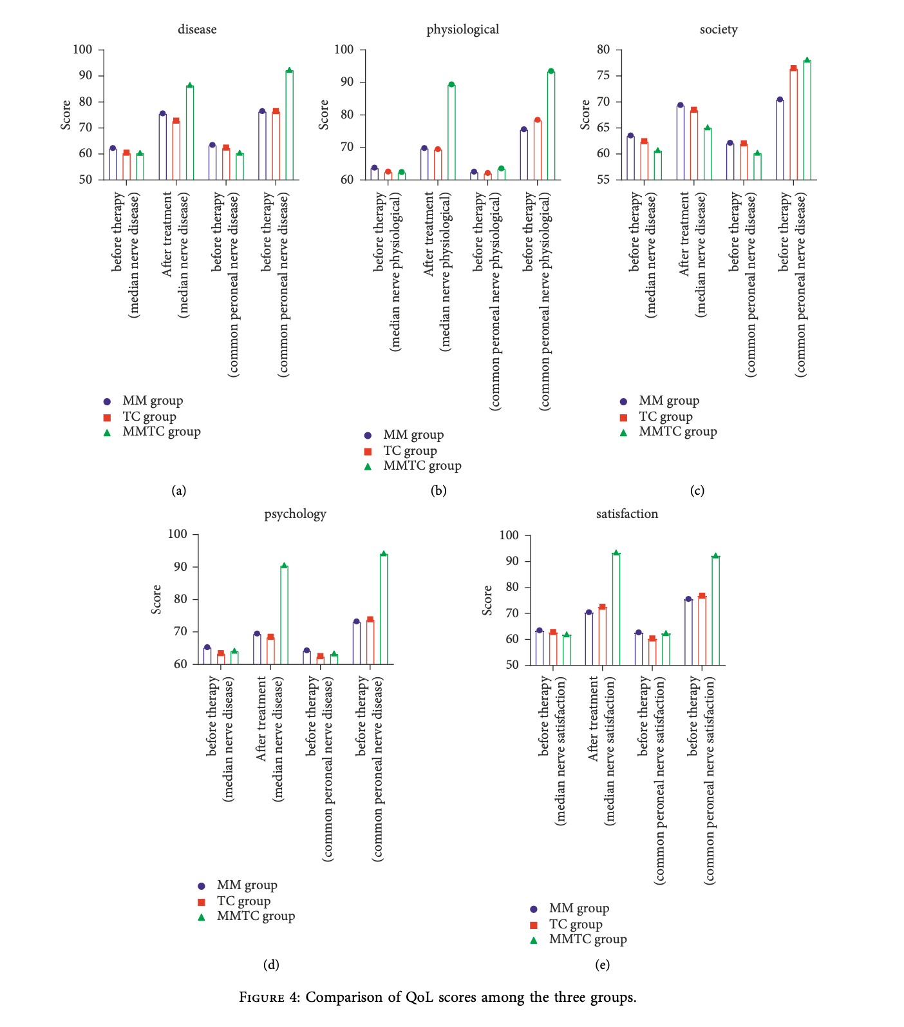
Measure/questionnaire
Results | Description | Mean difference (SD/SE) | p value

Effect size
Statistical methods
Outcomes: Physical activity
Outcome category
Measure/questionnaire
Results | Description | Mean difference (SD/SE) | p value

Effect size
Statistical methods
Other outcomes
Measure/questionnaire | Mindfulness (MAAS)
Results | Beforetreatment,MAASandTCSSscoreswerenot significant (P>0.05); after treatment, MAAS scores were significantly higher, TCSS scores were significantly lower, and more significantly in MMTC, and they had a significant difference (P < 0.05), as shown in Table 3, and Figure 2
Measure/questionnaire | Diabetes symptoms (Toronto Clinical Scale)
Results | Beforetreatment,MAASandTCSSscoreswerenot significant (P>0.05); after treatment, MAAS scores were significantly higher, TCSS scores were significantly lower, and more significantly in MMTC, and they had a significant difference (P < 0.05), as shown in Table 3, and Figure 2.
Measure/questionnaire | Neuropathy symptoms (Michigan Neuropathy Screening Instrument; MNSI)
Results | Before treatment, there was no statistical significance of the neurological sign score (P > 0.05). After treatment, the neurological symptom score and neurological sign score were significantly reduced, and the changes in the MMTC group were statistically significant (P<0.05), as shown in Table 4 and Figure 3.
Measure/questionnaire | Nerve conduction velocity
Results | Before treatment, SNCV and MNCV were not significantly significant (P > 0.05), but after treatment, SNCV and MNCV were significantly higher, and the MMTC group changed more significantly (P<0.05), as shown in Table 2 and Figure 1.

Additional information
Ethical approval | The patients in this study were aware of the relevant content of the study and were approved by the hospital’s ethics committee.
Funding source | NR
Conflicts of interest | The authors declare that they have no conflicts of interest.
Limitations (author) | However, this study also has certain shortcomings because the included sample is small and the research period is short, which will affect the accuracy of the research results. Therefore, more eligible samples need to be included in the next study.
Limitations (reviewer) | Poor standard of reporting - data for QoL not reported in table form, with no exact statistical tests specified.

