Sheet1
Cooling rate | 1 °C/min | 1.5 °C/min | 2 °C/min | 2.5 °C/min | 3 °C/min | 3.5 °C/min | 4°C/min
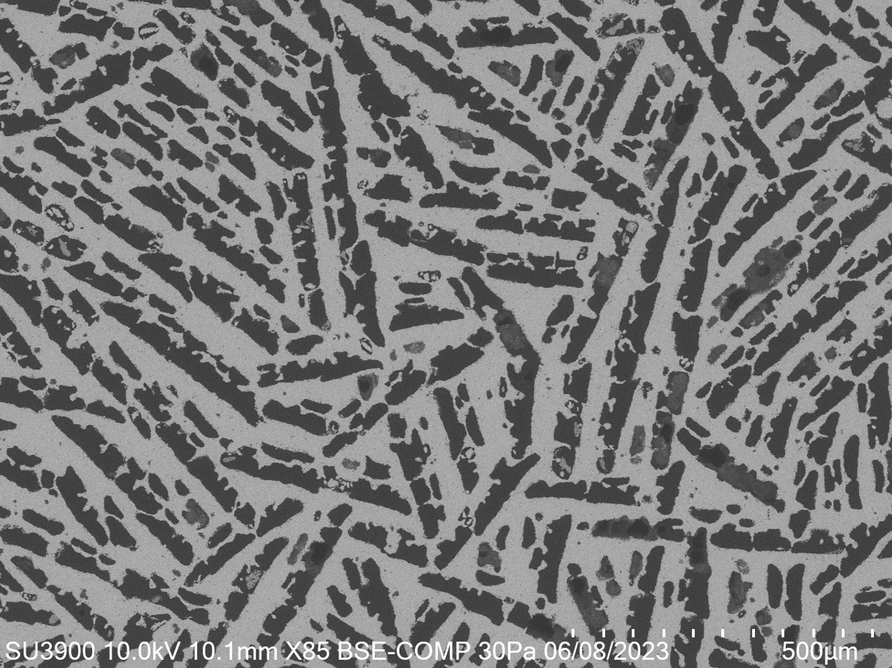
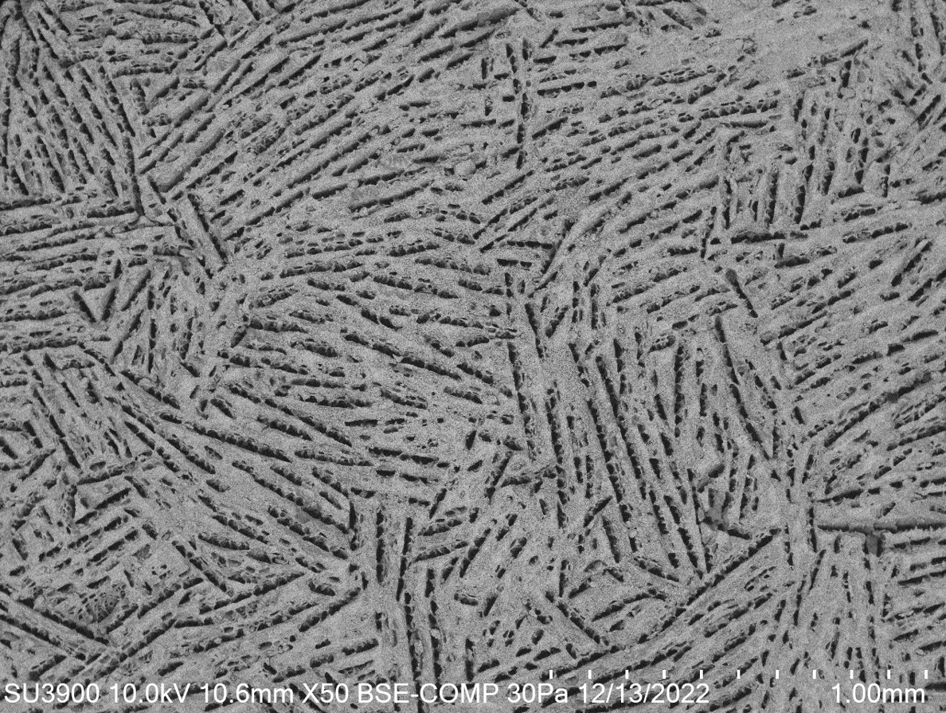
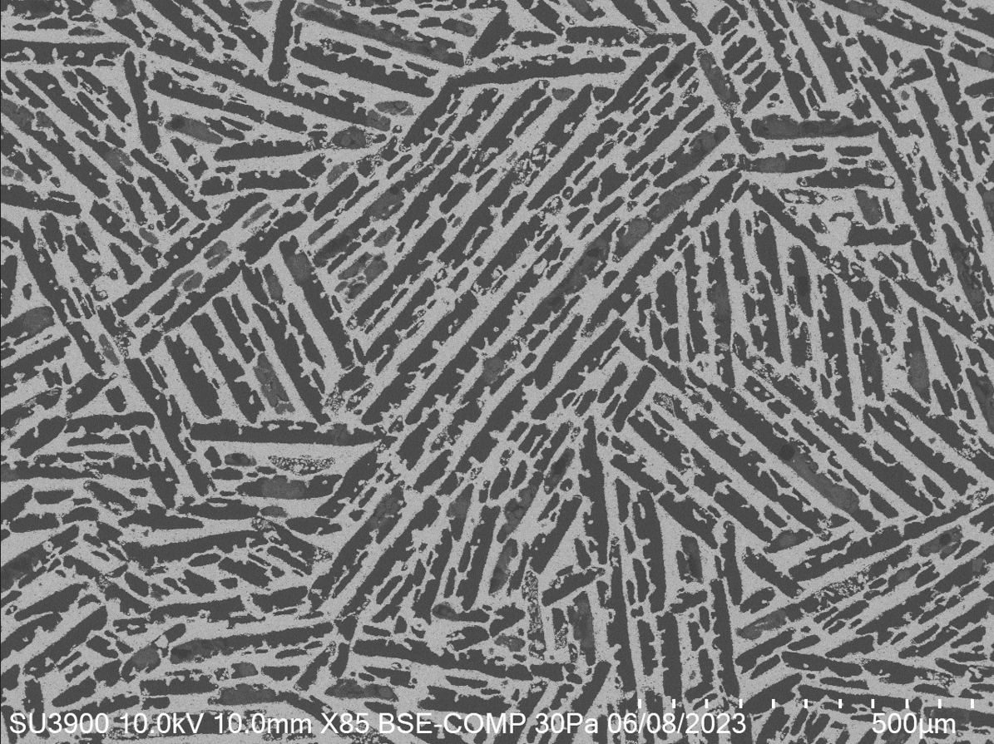
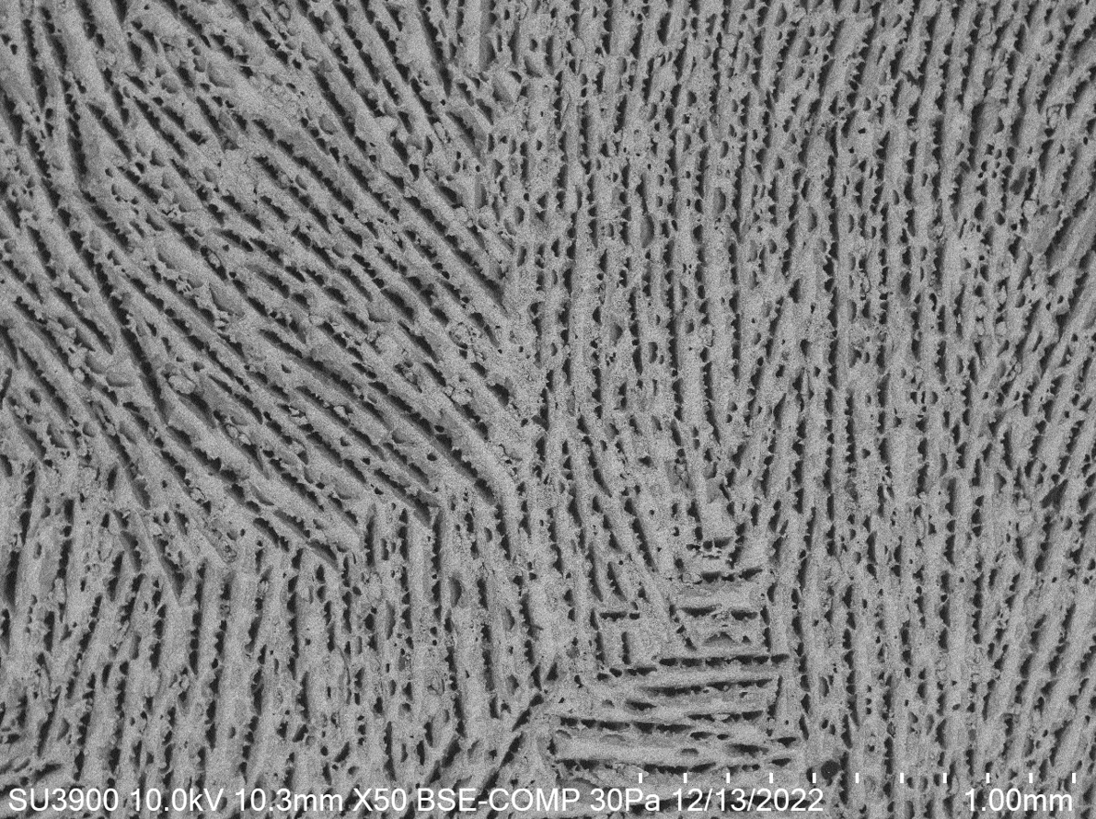
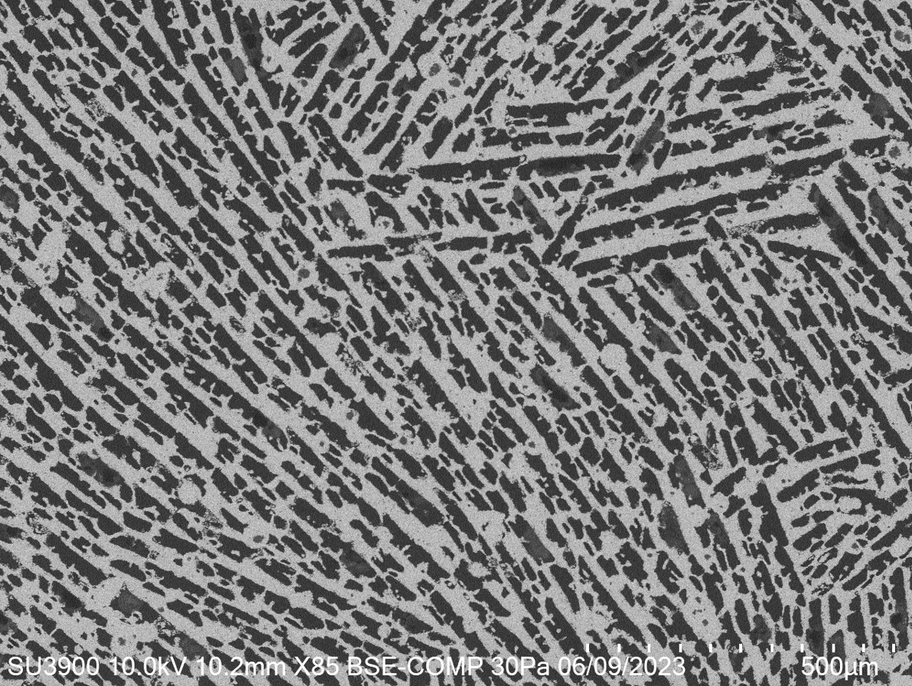
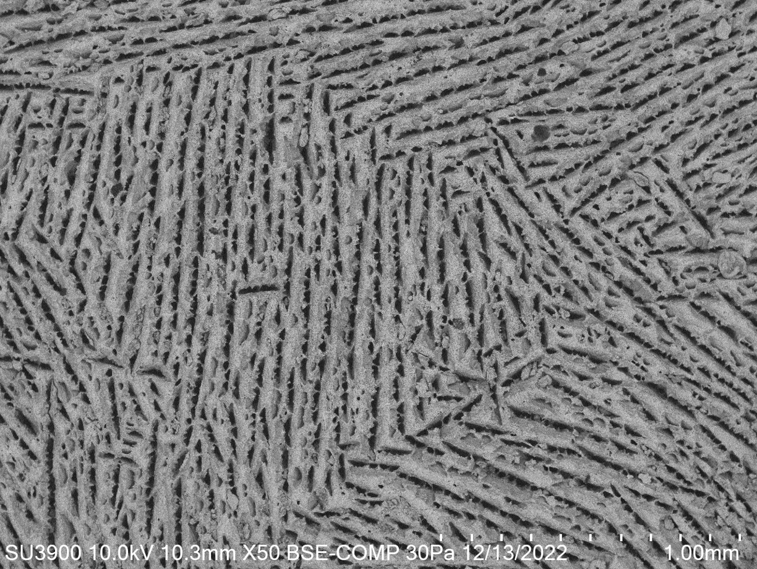
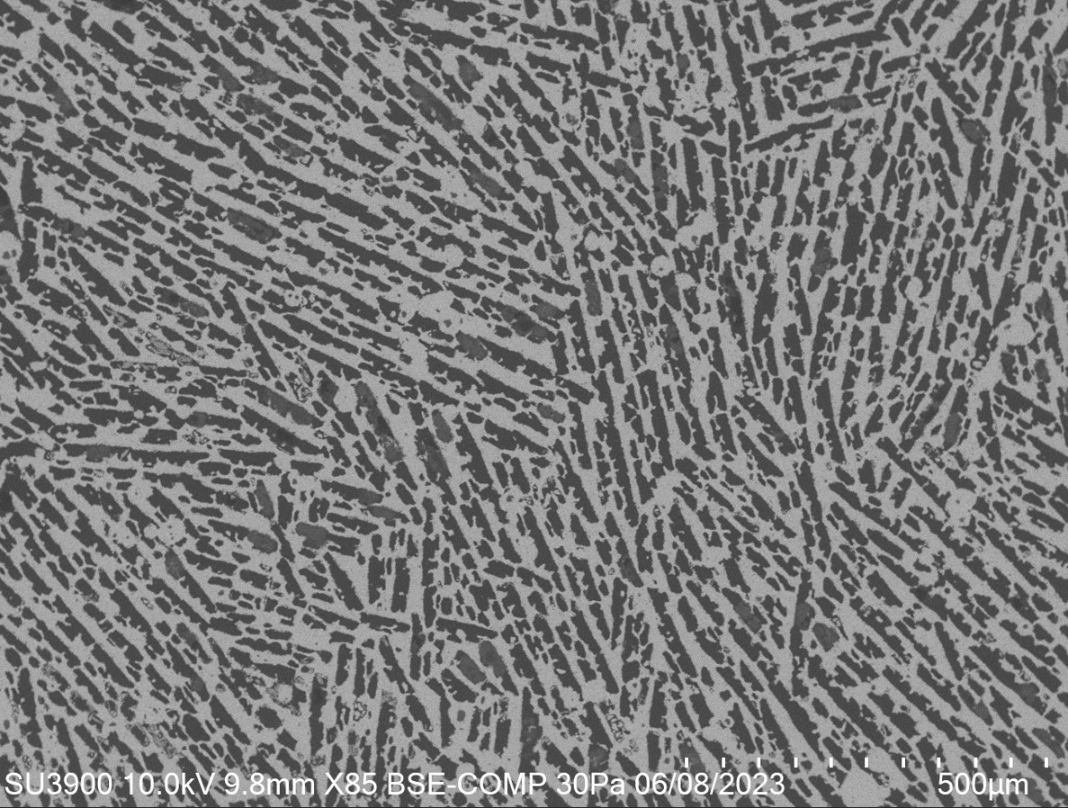

Mean | 34.88098 | 25.91759 | 22.98473 | 23.15935 | 16.5734 | 18.52797 | 14.40119
Standard deviation | 8.8417041378 | 7.3989518751 | 5.2301107717 | 5.7693476223 | 5.1805608389 | 3.9505878158 | 4.3707702987
Thickness measurement | 26.895 | 18.654 | 29.766 | 31.762 | 28.005 | 23.464 | 9.761
 | 26.665 | 10.5 | 25.581 | 18.161 | 20.072 | 22.319 | 9.922
 | 27.571 | 24.382 | 23.528 | 24.542 | 14.872 | 19.185 | 10.096
 | 26.64 | 35.682 | 25.581 | 14.863 | 21.032 | 21.971 | 7.666
 | 17.832 | 24.195 | 23.477 | 18.448 | 10.756 | 19.846 | 16.046
 | 17.367 | 25.711 | 23.023 | 15.383 | 10.32 | 21.478 | 12.307
 | 36.942 | 14.981 | 20.635 | 37.791 | 17.741 | 24.195 | 10.966
 | 38.569 | 31.481 | 13.613 | 27.903 | 11.144 | 21.836 | 23.762
 | 45.8 | 29.266 | 16.227 | 27.903 | 21.137 | 17.542 | 15.332
 | 53.509 | 25.272 | 21.157 | 29.703 | 17.402 | 20.148 | 6.477
 | 45.441 | 22.189 | 24.934 | 33.26 | 15.411 | 16.957 | 9.251
 | 33.959 | 24.856 | 21.245 | 44.154 | 15.267 | 22.464 | 7.832
 | 46.259 | 29.266 | 19.921 | 13.044 | 18.784 | 18.525 | 18.296
 | 41.877 | 28.746 | 12.257 | 26.922 | 14.407 | 22.595 | 16.766
 | 41.877 | 21.001 | 27.157 | 22.844 | 14.442 | 23.815 | 23.054
 | 31.455 | 17.729 | 28.51 | 17.869 | 10.036 | 19.546 | 20.597
 | 46.333 | 15.37 | 15.661 | 12.722 | 21.512 | 14.926 | 20.718
 | 39.53 | 16.614 | 22.148 | 22.015 | 9.916 | 24.047 | 9.922
 | 25.001 | 15.298 | 20.42 | 26.8 | 12.484 | 21.746 | 11.552
 | 45.501 | 20.557 | 19.119 | 22.311 | 11.144 | 22.022 | 21.773
 | 26.64 | 23.057 | 26.16 | 14.863 | 12.952 | 22.941 | 12.551
 | 26.64 | 27.966 | 24.52 | 18.73 | 11.579 | 22.855 | 22.129
 | 34.675 | 35.323 | 23.236 | 27.116 | 7.826 | 15.09 | 17.491
 | 30.148 | 14.633 | 23.951 | 20.915 | 21.958 | 13.052 | 16.046
 | 15.232 | 34.225 | 18.234 | 16.106 | 28.349 | 11.918 | 16.897
 | 60.613 | 35.531 | 28.113 | 20.082 | 15.76 | 26.033 | 15.553
 | 43.913 | 35.888 | 27.475 | 24.138 | 17.036 | 16.403 | 13.76
 | 37.401 | 42.495 | 24.065 | 22.623 | 8.75 | 14.727 | 15.494
 | 30.306 | 28.643 | 36.243 | 18.413 | 15.311 | 18.958 | 12.954
 | 31.455 | 27.367 | 26.67 | 20.742 | 12.793 | 23.815 | 8.247
 | 28.231 | 33.994 | 25.601 | 17.653 | 8.29 | 19.375 | 19.165
 | 30.329 | 25.121 | 21.141 | 26.21 | 18.446 | 18.465 | 12.362
 | 34.019 | 19.383 | 21.141 | 26.21 | 19.91 | 9.427 | 11.232
 | 44.331 | 16.405 | 30.64 | 22.107 | 20.249 | 20.245 | 12.659
 | 37.401 | 20.1 | 22.665 | 14.069 | 21.137 | 14.32 | 10.736
 | 34.596 | 20.767 | 18.234 | 25.293 | 22.051 | 16.381 | 10.472
 | 32.897 | 17.409 | 27.351 | 37.453 | 9.406 | 20.726 | 17.339
 | 42.218 | 30.512 | 25.601 | 26.458 | 10.756 | 16.56 | 15.999
 | 44.775 | 18.621 | 22.148 | 17.981 | 13.767 | 18.525 | 14.059
 | 43.35 | 18.621 | 29.898 | 22.817 | 12.793 | 20.074 | 7.784
 | 46.215 | 32.362 | 23.112 | 26.666 | 9.496 | 17.358 | 9.968
 | 35.144 | 32.691 | 21.044 | 29.77 | 10.85 | 17.813 | 9.119
 | 44.714 | 37.307 | 36.636 | 25.813 | 14.872 | 27.643 | 7.985
 | 35.144 | 32.092 | 32.892 | 23.313 | 16.956 | 27.769 | 11.313
 | 27.571 | 24.886 | 22.544 | 22.321 | 18.529 | 24.477 | 8.274
 | 33.042 | 31.497 | 21.461 | 20.536 | 21.677 | 18.201 | 8.806
 | 22.441 | 21.314 | 22.544 | 17.593 | 16.176 | 14.998 | 16.089
 | 32.311 | 12.259 | 21.932 | 23.649 | 9.656 | 20.293 | 9.667
 | 27.247 | 12.388 | 18.822 | 28.235 | 19.045 | 17.251 | 18.395
 | 36.347 | 26.8 | 22.21 | 14.462 | 21.137 | 15.114 | 11.836
 | 38.267 | 14.447 | 17.353 | 31.234 | 15.133 | 19.824 | 11.61
 | 34.059 | 22.161 | 15.705 | 30.172 | 16.176 | 17.813 | 11.008
 | 32.897 | 20.432 | 21.524 | 26.458 | 17.48 | 12.587 | 14.952
 | 39.53 | 16.658 | 17.51 | 21.057 | 13.655 | 20.55 | 11.766
 | 50.166 | 36.367 | 22.993 | 23.224 | 9.223 | 20.087 | 14.15
 | 31.39 | 30.978 | 15.175 | 21.19 | 16.017 | 22.531 | 18.456
 | 26.665 | 37.169 | 18.822 | 21.667 | 12.619 | 15.613 | 11.151
 | 21.73 | 24.302 | 19.568 | 16.785 | 13.429 | 21.303 | 15.688
 | 34.851 | 25.316 | 34.033 | 26.518 | 17.006 | 22.216 | 15.664
 | 24.084 | 40.779 | 18.822 | 26.097 | 17.314 | 15.58 | 18.624
 | 53.292 | 26.114 | 25.199 | 24.351 | 14.048 | 26.113 | 11.015
 | 36.571 | 26.394 | 16.384 | 29.101 | 11.739 | 17.598 | 9.667
 | 23.041 | 19.243 | 19.844 | 31.885 | 17.006 | 24.001 | 17.444
 | 31.886 | 18.342 | 30.818 | 28.06 | 15.311 | 20.457 | 14.12
 | 45.934 | 30.651 | 18.457 | 27.751 | 25.692 | 17.108 | 17.668
 | 34.596 | 40.556 | 24.29 | 19.183 | 20.689 | 9.786 | 15.577
 | 48.167 | 25.161 | 14.857 | 19.183 | 14.872 | 16.493 | 24.379
 | 31.779 | 25.582 | 20.783 | 18.852 | 26.89 | 10.419 | 18.69
 | 41.303 | 26.561 | 20.783 | 17.576 | 19.608 | 20.36 | 15.577
 | 33.228 | 30.179 | 20.783 | 11.84 | 12.138 | 18.99 | 8.131
 | 35.144 | 28.643 | 16.835 | 13.635 | 13.914 | 17.33 | 17.562
 | 41.088 | 34.102 | 17.818 | 20.441 | 15.921 | 13.901 | 18.46
 | 29.738 | 29.467 | 23.463 | 27.835 | 23.113 | 17.709 | 11.469
 | 30.664 | 22.145 | 33.386 | 18.976 | 14.442 | 15.284 | 13.427
 | 28.924 | 22.6 | 20.42 | 18.663 | 12.793 | 13.624 | 23.38
 | 46.377 | 32.967 | 35.502 | 19.567 | 11.205 | 11.928 | 11.734
 | 27.695 | 24.603 | 21.713 | 30.811 | 19.39 | 21.306 | 10.195
 | 28.28 | 14.981 | 19.879 | 25.555 | 11.549 | 19.958 | 18.69
 | 36.683 | 24.377 | 32.202 | 22.027 | 32.713 | 20.779 | 19.122
 | 25.648 | 20.889 | 18.822 | 27.183 | 15.4 | 16.855 | 12.816
 | 26.356 | 20.389 | 32.286 | 18.064 | 14.489 | 13.801 | 27.493
 | 32.98 | 17.764 | 23.607 | 20.452 | 17.006 | 19.27 | 13.477
 | 47.093 | 18.194 | 19.428 | 17.808 | 15.532 | 13.048 | 17.169
 | 48.926 | 24.448 | 21.141 | 27.118 | 12.74 | 13.758 | 15.156
 | 39.183 | 22.735 | 18.234 | 19.979 | 14.618 | 21.099 | 19.925
 | 25.083 | 23.837 | 22.025 | 16.318 | 27.422 | 20.245 | 11.499
 | 43.35 | 35.416 | 14.249 | 20.632 | 28.606 | 21.312 | 10.524
 | 44.485 | 42.628 | 20.685 | 16.772 | 17.856 | 19.678 | 11.335
 | 33.228 | 38.128 | 24.065 | 28.628 | 24.748 | 15.572 | 12.922
 | 35.53 | 26.759 | 24.036 | 24.87 | 15.76 | 10.983 | 14.418
 | 16.726 | 32.945 | 23.346 | 20.196 | 16.092 | 15.885 | 15.009
 | 42.218 | 28.207 | 23.346 | 19.553 | 20.91 | 13.786 | 9.993
 | 40.687 | 25.073 | 16.835 | 27.099 | 17.635 | 21.746 | 19.256
 | 21.541 | 26.445 | 25.707 | 22.603 | 27.786 | 16.433 | 19.405
 | 24.837 | 17.729 | 22.423 | 28.631 | 22.012 | 19.89 | 19.405
 | 33.228 | 24.836 | 33.852 | 26.751 | 17.779 | 16.11 | 14.594
 | 26.122 | 29.467 | 25.601 | 27.62 | 18.675 | 13.131 | 16.849
 | 36.234 | 37.609 | 19.81 | 26.93 | 19.6 | 16.339 | 12.147
 | 26.485 | 35.415 | 21.524 | 25.036 | 20.088 | 14.281 | 15.156
 | 35.76 | 30.162 | 32.286 | 23.261 | 8.104 | 18.893 | 15.718

