interface
Wind Load Calculation for Shelters |  |  |  | Instructions
Input data | Measurement | Unit | Remarks | Grey | Don’t touch
Depth of overhang; A | 0.3 | m | usually between 0-0.5m | Green | Results
Length of roof; w | 6.3 | m |  | White | Provide input
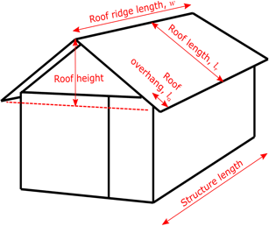
Height of roof | 1.5 | m | The vertical distance from the top of the wall to the top of the ridge
Depth of roof (m) | 2.5 | m | The distance from the outer point of the overhang to the ridge measured along the roof surface (i.e. it is the hypotenuse of the triangle forming the roof)
Depth of shelter (m) | 4 | m
Length of shelter (m) | 6 | m
Area of roof | 24 | m2
Orography coefficient | 1.3 | unit less | 1-1.5 (The orography coefficient accounts for the wind speed being higher at the top of a hill than the predicted wind speed for the overall site)
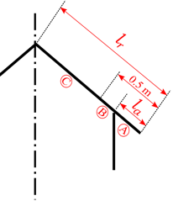
Number of columns in shelter | 12 | No
Weight of roof | 300 | kg | The weight of the roof does not change the force on the roof, but does in theory reduce the pull resistance required by each column. If you don't wish to include this effect, or you don't know the weight of the roof, set this to zero.
Mean pressure coefficient | 0.79 | unit less
Pressure coefficient | 1.30 | unit less | When doing a whole building calculation, Arup suggest using a pressure coefficient of 1.3
Wind speed | 30 | m/s
Wind speed | 108 | km/hr
Results
Force on Roof | 12.1591 | kN
Force per column NOT accounting for roof weight | 1.0133 | kN
Force per column in kg equivalent accounting for building weight | 78.2882 | kg | Negative result just means the building weighs more than wind force on the building
Force on building | 10.0386 | Kn
Force per column not accounting for building weight | 0.8366 | kN

*

